MF OSAR
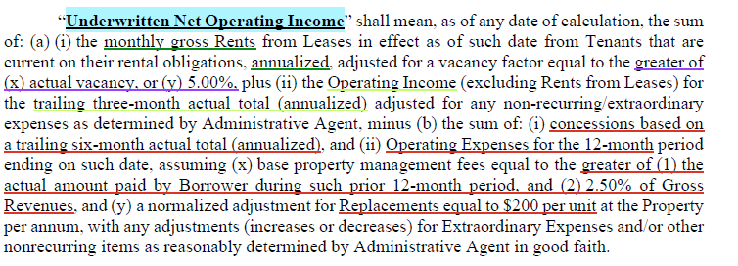
CREFC Investor Reporting Package
 | MULTIFAMILY OPERATING STATEMENT ANALYSIS REPORT (includes Mobile Home Parks, Single Family Rentals, and Co-ops)
 | as of 03/31/2026
 | PROPERTY OVERVIEW |  |  |  | Allocated Loan Amount/Percentage
 | Property ID | 1001-001 | Paid Thru Date | Debt Outside Trust (1) | $ | %
 | Note A-Scheduled Loan Balance | $47,626,516 | 2026-03-31 | X or Blank | $- | 100.00%
 | Note B-Scheduled Loan Balance
 | Note C-Scheduled Loan Balance
 | Property Name | Memorial Hills
 | Property Type | Multifamily
 | Property Address, City, State | 4200 Scotland Street, Houston, TX 77007
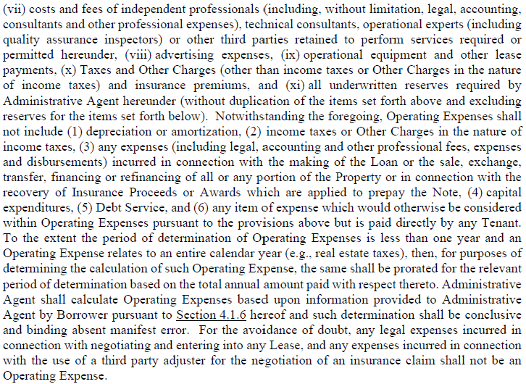
 | Current Net Rentable SF/Units/Beds/Rooms | 308 | units | Use second box to specify sqft.,units…
 | Year Built/Year Renovated | 2009 | 2026
 | Cap Ex Reserve (annually)/per Unit.etc. (2) | $200.00 | Per unit | specify annual/per unit…
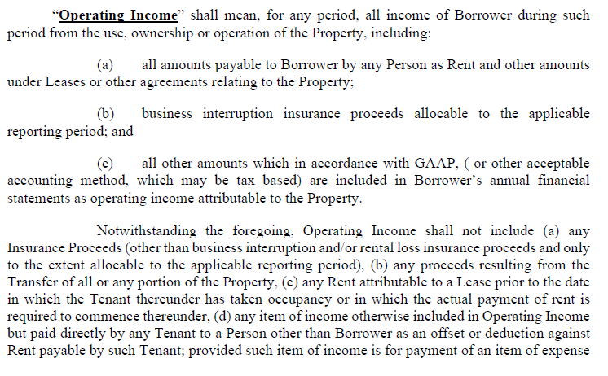
 | Statement Ending Date | Underwriting | 2025-09-30 | 2025-12-31 | 2026-03-31 | 2026-03-31
 | Occupancy Rate (physical) | 94% | 89.61% | 88.96% | 86.04% | 86.04% |  | Actual | 13.96%
 | Occupancy Date | 2025-05-16 | 2025-09-30 | 2025-12-31 | 2026-03-31 | 2026-03-31 |  | Factor | 5.00%
 |  | (1) "X" if debt is outside of the trust, otherwise leave blank
 |  | (2) Total $ amount of Capital Reserves required annually by loan documents
 | INCOME:
 | Number of Mos. Covered
 | Period Ended | At Contribution | DY Test | DY Test | T10 | DY Test
 | Statement Ending Date | Information | 09/30/2025 | 12/31/2025 | 03/31/2026 | 03/31/2026 | Notes | Var $ | Var %
 | Gross Potential Rent (3) | $6,960,534 | $6,181,629 | $6,033,557 | $7,109,950 | $5,790,123 | Annualized RR as of 03/31/2026 less T6 concessions | -$243,434.76 | -4.03%
 | Less: Vacancy Loss | ($406,784) | - |  | ($756,219) |  | Greater of actual vacancy (14.0%) or 5.0%
 | OR |  |  |  | - |  |  | $0.00
 | Base Rent (3) | - | - | - | - | - | T10 ended 03/31/2026 | $0.00
 | Laundry/Vending Income | - | - | - | - | - | DY Test ended 03/31/2026 | $0.00
 | Parking Income | $17,787 | $15,657 | $16,552 | $16,273 | $16,273 | DY Test ended 03/31/2026 | -$279.71 | -1.69%
 | Other Income | $528,399 | $637,496 | $592,416 | $580,172 | $580,172 | DY Test ended 03/31/2026 | -$12,243.14 | -2.07%

 | *Effective Gross Income | $7,099,936 | $6,834,782 | $6,642,525 | $6,950,177 | $6,386,568 |  | -$255,957.61 | -3.85%
 |  | (3) Use either Gross Potential (with Vacancy Loss) or Base Rents; use negative $amt for Vacancy Loss

 | OPERATING EXPENSES:
 | Real Estate Taxes | $1,485,044 | $1,583,362 | $1,506,317 | $1,521,692 | $1,521,692 | Greater of actual tax bill from 11/15/2025-11/15/2026 ($1.4MM) and T10 ended 03/31/2026 | $15,375.01 | 1.02%
 | Property Insurance | $215,600 | $81,670 | $81,670 | $68,540 | $81,670 | Actual insurance premium from 06/26/2025-06/26/2026 ($81.7K) | $0.00 | 0.00%
 | Utilities | $378,064 | $435,251 | $382,429 | $423,120 | $423,120 | T10 ended 03/31/2026 | $40,690.75 | 10.64%
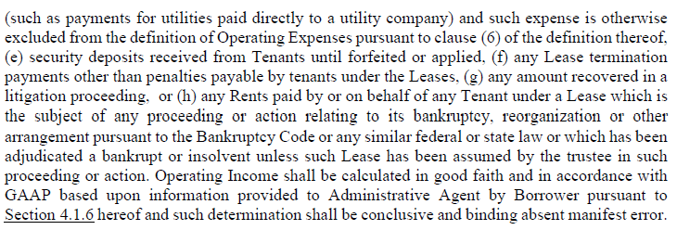
 | Repairs and Maintenance | $358,377 | $276,857 | $343,371 | $333,494 | $333,494 | T10 ended 03/31/2026 | -$9,876.55 | -2.88%
 | Management Fees | $177,498 | $170,870 | $166,063 | $125,037 | $159,664 | Greater of actual and 2.50% | -$6,398.94 | -3.85%
 | Payroll & Benefits | $688,888 | $431,245 | $475,945 | $510,451 | $510,451 | T10 ended 03/31/2026 | $34,505.25 | 7.25%
 | Advertising & Marketing | $265,543 | $172,876 | $216,404 | $233,007 | $233,007 | T10 ended 03/31/2026 | $16,602.86 | 7.67%
 | Professional Fees | - | $27,744 | $8,356 | $5,849 | $5,849 | T10 ended 03/31/2026 | -$2,506.67 | -30.00%
 | General and Administrative | $122,141 | $116,703 | $63,132 | $82,528 | $82,528 | T10 ended 03/31/2026 | $19,396.17 | 30.72%
 | Other Expenses | $59,939 |  | - | - | - | T10 ended 03/31/2026 | $0.00
 | Ground Rent | - |  | - | - | - | T10 ended 03/31/2026 | $0.00
 | *Total Operating Expenses | $3,751,095 | $3,296,578 | $3,243,687 | $3,303,718 | $3,351,474 |  | $107,787.88 | 3.32%

 | Operating Expense Ratio | 53% | 48% | 49% | 48% | 52%

 | *Net Operating Income | $3,348,841 | $3,538,204 | $3,398,839 | $3,646,459 | $3,035,093 |  | -$363,745.49 | -10.70%

 | Capital Expenditures | 61,600 | $61,600.00 | $61,600.00 | $61,600 | $61,600.00 | $200 per the Loan Agreement
 | Extraordinary Capital Expenditures
 | Total Capital Items | $61,600.00 | $61,600.00 | $61,600.00 | $61,600.00 | $61,600.00

 | *Net Cash Flow | $3,287,241.01 | $3,476,603.91 | $3,337,238.68 | $3,584,858.85 | $2,973,493.19

 | Debt Service - A Note |  | $3,138,899.55 | $2,914,948.30 | $2,863,478.13 | $2,863,478.13 | S+225, SOFR as of 03/31/2026
 | Debt Service - B Note
 | Debt Service - C Note

 | *Net Cash Flow after Debt Service |  | $337,704.36 | $422,290.38 | $721,380.73 | $110,015.06

 | *DSCR: (NOI/Debt Service) - A Note |  | 1.13x | 1.17x | 1.27x | 1.06x
 | *DSCR: (NOI/Debt Service) - A & B Note
 | *DSCR: (NOI/Debt Service) - A, B & C Note

 | *DSCR: (NCF/Debt Service) - A Note |  | 1.11x | 1.14x | 1.25x | 1.04x
 | *DSCR: (NCF/Debt Service) - A & B Note
 | *DSCR: (NCF/Debt Service) - A, B & C Note

 | Debt Yield (NCF/UPB) |  | 9.72% | 7.01% | 7.36% | 6.24%

 | Source of Financial Data:
 |  | (ie. operating statements, financial statements, tax return, other)
 | Notes and Assumptions: Years above will roll, always showing a 3yr sequential history. Comments from the most recent NOI Adjustment Worksheet should be carried forward to Operating Statement
 | Analysis Report. Year-over-year variances (either higher or lower) must be explained and noted for the following: >20% DSCR change, >20% EGI/Total Operating Expenses or Total Capital
 | Items. Quarterly variance comments may be necessary if the loan is on the Watch List.
 | Income: Comments

 | Expense: Comments

 | Capital Items: Comments

 | DSCR: Comments

 | * Used in the CREFC Comparative Financial Status Report/CREFC Property File/CREFC Loan Periodic Update File. Note that information for multiple property loans must be consolidated (if available)
 | for reporting to the CREFC Loan Periodic Update file.

DSCR Calc
0 |  | Previous | Current
 |  | DY 4Q 2025 | DY 1Q 2026
 |  | 2025-12-31 | 2026-03-31

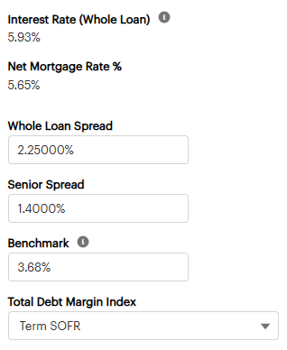
 | UPB | $47,626,516 | $47,626,516
 | Occupancy | 89% | 86%

 | Rate Cap | 5.50% | 5.50%
 | SOFR | 3.79% | 3.68000%
 | Spread | 2.25% | 2.25000%
 | Effective Interest Rate | 6.04% | 5.93%
 | Effective Capped Interest Rate | 6.04% | 5.93%

 | Net Cash Flow | $3,337,239 | $2,973,493

 | Debt Service (Excluding Rate Cap) | $2,914,948 | $2,863,478
 | Debt Service (Including Rate Cap) | $2,914,948 | $2,863,478

 | DSCR (Excluding Rate Cap) | 1.14x | 1.04x
 | DSCR (Including Rate Cap) | 1.14x | 1.04x

 | DY | 7.01% | 6.24%

 | Notes:

Rent Roll
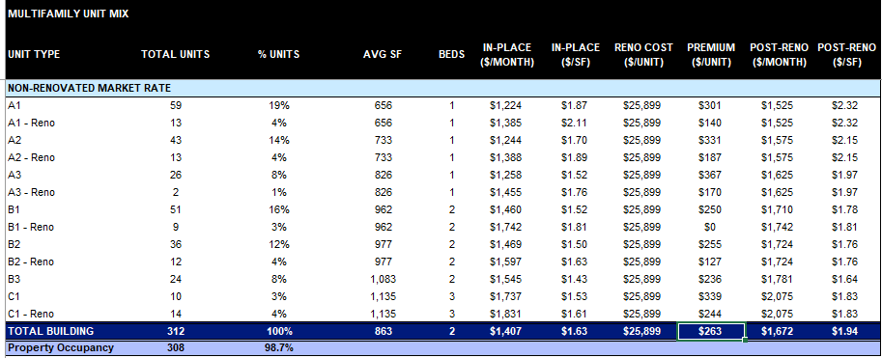
ASSET LIVING SOUTHEAST, LLC dba JMG REALTY LLC - Memorial Hills
RENT ROLL DETAIL
05/15/2026 04:22 PM
As of Date: 03/31/2025
Parameters: Properties: - all subproperties-; Show All Unit Designations or Filter by: ALL; Subjournals: ALL; Sort by: Unit; Report Type: Details + Summary; Exclude Formers?: Yes; Show Unit Rent as: Market Rent
Resh ID | Lease ID | Unit | Floorplan | Unit Designation | SQFT | Unit/Lease Status | Name | Move-In | Move-Out | Lease Start | Lease End | Market + Addl. | Required Deposit | Dep On Hand | Balance | Lease Rent | RENT | TRV | GAS | PACKAGE | AMEN | PET RENT | CARPORT | TECH FEE | UTL | MTOM | CONo | CON | PST | MOD | Total Billing
69 | 424 | 104 | A9b | Conventional | 892 | Occupied | Castro, Sergio | 07/04/2021 |  | 08/04/2025 | 09/07/2026 | 2025.6 | 0 | 0 | 89.6 | 1696 | 1696 | 25 | 12.6 | 17 | 20 | 25 | 35 | 0 | 0 | 0 | 0 | 0 | 0 | 0 | 1830.6
171 | 616 | 105 | A10c | Conventional | 1036 | Occupied | Nelson, Ryan | 02/01/2026 |  | 02/01/2026 | 01/31/2027 | 2370.6 | 0 | 0 | 0 | 2236 | 2236 | 30 | 12.6 | 22 | 20 | 25 | 35 | 0 | 0 | 0 | 0 | 0 | 0 | 0 | 2380.6
431 | 633 | 106 | B1 | Conventional | 1156 | Occupied | Pumala, Chelsea | 03/21/2026 |  | 03/21/2026 | 03/20/2027 | 2533.6 | 250 | 250 | 0 | 2124 | 2124 | 30 | 12.6 | 22 | 20 | 0 | 0 | 50 | 0 | 0 | 0 | 0 | 0 | 0 | 2258.6
160 | 447 | 107 | A13 | Conventional | 1000 | Occupied | Breese, Matt | 08/17/2023 |  | 07/17/2025 | 07/16/2026 | 2070.6 | 0 | 0 | 57.35 | 1737 | 1737 | 25 | 12.6 | 17 | 20 | 0 | 0 | 0 | 0 | 0 | 0 | 0 | 0 | 0 | 1811.6
329 | 356 | 108 | B1b | Conventional | 1211 | Occupied | Perez Alvarez, Leonardo | 07/01/2025 |  | 07/01/2025 | 06/30/2026 | 2363.6 | 0 | 0 | 85.29 | 2304 | 2304 | 25 | 12.6 | 0 | 0 | 0 | 50 | 0 | 0 | 0 | 0 | 0 | 0 | 0 | 2391.6
394 | 564 | 109 | A5a | Conventional | 730 | Occupied | Maldonado, Arely | 01/23/2026 |  | 01/23/2026 | 01/22/2027 | 1571.6 | 500 | 500 | 0 | 1437 | 1437 | 30 | 12.6 | 22 | 0 | 0 | 0 | 0 | 0 | 0 | 0 | 0 | 0 | 0 | 1501.6
0 | 0 | 110 | B1 | Conventional | 1156 | Vacant-Leased | VACANT |  |  |  |  | 2533.6 | 0 | 0 | 0 | 0 | 0 | 0 | 0 | 0 | 0 | 0 | 0 | 0 | 0 | 0 | 0 | 0 | 0 | 0 | 0
441 | 691 | 110 | B1 | Conventional | 1156 | Applicant | Olson, Corey | 04/18/2026 |  | 04/18/2026 | 04/17/2027 | 0 | 250 | 0 | -250 | 2399 | 2399 | 30 | 12.6 | 22 | 20 | 0 | 0 | 50 | 0 | 0 | 0 | 0 | 0 | 0 | 2533.6
30 | 682 | 111 | B1c | Conventional | 1102 | Occupied | Suarato, Alison | 03/11/2026 |  | 03/11/2026 | 04/12/2026 | 2488.6 | 250 | 250 | -935.88 | 2354 | 2354 | 30 | 12.6 | 22 | 20 | 30 | 0 | 0 | 0 | 0 | 0 | 0 | 0 | 0 | 2468.6
401 | 580 | 112 | A11 | Conventional | 908 | Occupied | Fields, Roshanti | 01/02/2026 |  | 01/02/2026 | 01/02/2027 | 1522.6 | 250 | 250 | 0 | 1388 | 1388 | 30 | 12.6 | 22 | 0 | 0 | 0 | 0 | 0 | 0 | 0 | 0 | 0 | 0 | 1452.6
111 | 117 | 113 | A6a | Conventional | 791 | Occupied | Brittain III, David | 11/16/2022 |  | 04/16/2025 | 04/15/2026 | 1791.6 | 0 | 0 | 73.89 | 1761 | 1761 | 25 | 11.5 | 20 | 20 | 0 | 35 | 0 | 0 | 0 | 0 | 0 | 0 | 0 | 1872.5
248 | 670 | 114 | A9d | Conventional | 958 | Occupied | Scheurich, Alissa | 02/26/2026 |  | 02/26/2026 | 08/03/2026 | 2280.6 | 0 | 0 | -1708.62 | 2146 | 2146 | 30 | 12.6 | 22 | 20 | 50 | 0 | 50 | 0 | 0 | -2059.61 | 0 | 0 | 0 | 270.99
37 | 38 | 115 | A3 | Conventional | 609 | Occupied | Bowden, Alethe | 10/18/2019 |  | 03/27/2025 | 06/26/2026 | 1631.6 | 0 | 0 | 64.09 | 1493 | 1493 | 25 | 12.6 | 21 | 20 | 0 | 0 | 0 | 0 | 0 | 0 | 0 | 0 | 0 | 1571.6
35 | 416 | 116 | A9 | Conventional | 813 | Occupied-NTV | Stone, Brittany | 05/04/2019 | 04/03/2026 | 07/26/2025 | 02/25/2026 | 2195.6 | 0 | 0 | 83.17 | 2026 | 2026 | 30 | 12.6 | 22 | 20 | 0 | 0 | 0 | 0 | 350 | 0 | 0 | 0 | 0 | 2460.6
0 | 0 | 121 | A6b | Conventional | 728 | Admin/Down | VACANT |  |  |  |  | 1891.6 | 0 | 0 | 0 | 0 | 0 | 0 | 0 | 0 | 0 | 0 | 0 | 0 | 0 | 0 | 0 | 0 | 0 | 0 | 0
0 | 0 | 122 | A8 | Conventional | 787 | Admin/Down | VACANT |  |  |  |  | 1814.6 | 0 | 0 | 0 | 0 | 0 | 0 | 0 | 0 | 0 | 0 | 0 | 0 | 0 | 0 | 0 | 0 | 0 | 0 | 0
0 | 0 | 123 | A10b | Conventional | 1037 | Admin/Down | VACANT |  |  |  |  | 1859.6 | 0 | 0 | 0 | 0 | 0 | 0 | 0 | 0 | 0 | 0 | 0 | 0 | 0 | 0 | 0 | 0 | 0 | 0 | 0
0 | 0 | 124 | A12 | Conventional | 937 | Admin/Down | VACANT |  |  |  |  | 1985.6 | 0 | 0 | 0 | 0 | 0 | 0 | 0 | 0 | 0 | 0 | 0 | 0 | 0 | 0 | 0 | 0 | 0 | 0 | 0
0 | 0 | 125 | B3 | Conventional | 1219 | Admin/Down | VACANT |  |  |  |  | 2418.6 | 0 | 0 | 0 | 0 | 0 | 0 | 0 | 0 | 0 | 0 | 0 | 0 | 0 | 0 | 0 | 0 | 0 | 0 | 0
0 | 0 | 126 | B6 | Conventional | 1429 | Admin/Down | VACANT |  |  |  |  | 2308.6 | 0 | 0 | 0 | 0 | 0 | 0 | 0 | 0 | 0 | 0 | 0 | 0 | 0 | 0 | 0 | 0 | 0 | 0 | 0
124 | 131 | 127 | A4 | Conventional | 698 | Occupied | Quinn, Megan | 04/01/2023 |  | 04/01/2025 | 03/31/2026 | 1806.6 | 0 | 0 | -413.67 | 1730 | 1730 | 25 | 12.6 | 21 | 20 | 30 | 0 | 0 | 0 | 0 | 0 | 0 | 0 | 0 | 1838.6
0 | 0 | 128 | A2 | Conventional | 645 | Admin/Down | VACANT |  |  |  |  | 1636.6 | 0 | 0 | 0 | 0 | 0 | 0 | 0 | 0 | 0 | 0 | 0 | 0 | 0 | 0 | 0 | 0 | 0 | 0 | 0
402 | 582 | 129 | A4 | Conventional | 698 | Occupied | Model, Model | 12/08/2025 |  | 12/08/2025 | 12/07/2026 | 2031.6 | 0 | 0 | -1871.16 | 0 | 0 | 0 | 0 | 0 | 0 | 0 | 0 | 0 | 0 | 0 | 0 | 0 | 0 | -1897 | -1897
0 | 0 | 130 | A7 | Conventional | 731 | Admin/Down | VACANT |  |  |  |  | 1756.6 | 0 | 0 | 0 | 0 | 0 | 0 | 0 | 0 | 0 | 0 | 0 | 0 | 0 | 0 | 0 | 0 | 0 | 0 | 0
326 | 353 | 131 | B5 | Conventional | 1399 | Occupied | Perez, Jennifer | 06/04/2025 |  | 06/04/2025 | 06/08/2026 | 2713.6 | 0 | 0 | 93.47 | 2579 | 2579 | 25 | 12.6 | 0 | 0 | 25 | 0 | 0 | 0 | 0 | 0 | 0 | 0 | 0 | 2641.6
208 | 226 | 132 | A1 | Conventional | 570 | Occupied | Richey, Hudson | 03/05/2024 |  | 05/04/2025 | 08/03/2026 | 1576.6 | 0 | 0 | 79.92 | 1457 | 1457 | 25 | 11.5 | 17 | 20 | 0 | 0 | 0 | 0 | 0 | 0 | 0 | 0 | 0 | 1530.5
231 | 257 | 133 | A7 | Conventional | 731 | Occupied | Bazzle, Jennifer | 06/24/2024 |  | 06/24/2025 | 06/23/2026 | 1771.6 | 0 | 0 | -1756.2 | 1686 | 1686 | 25 | 12.6 | 21 | 20 | 0 | 0 | 0 | 0 | 0 | 0 | 0 | 0 | 0 | 1764.6
286 | 613 | 134 | A5 | Conventional | 698 | Occupied | Sandonato, Austin | 11/26/2024 |  | 01/01/2026 | 06/30/2026 | 1806.6 | 0 | 0 | 28.32 | 1822 | 1822 | 30 | 12.6 | 22 | 20 | 30 | 0 | 0 | 0 | 0 | 0 | 0 | 0 | 0 | 1936.6
396 | 566 | 135 | A5 | Conventional | 698 | Occupied | Spuches, Maria | 12/20/2025 |  | 12/20/2025 | 12/19/2026 | 1656.6 | 250 | 250 | 46.94 | 1522 | 1522 | 30 | 12.6 | 22 | 0 | 0 | 0 | 0 | 0 | 0 | 0 | 0 | 0 | 0 | 1586.6
27 | 530 | 136 | A13 | Conventional | 1000 | Occupied | Heard, Nehemiah | 02/26/2018 |  | 10/27/2025 | 04/27/2026 | 2070.6 | 350 | 350 | 42.34 | 2024 | 2024 | 30 | 12.6 | 22 | 20 | 25 | 35 | 0 | 0 | 0 | 0 | 0 | 0 | 0 | 2168.6
250 | 546 | 137 | A5 | Conventional | 698 | Occupied | Cornavaca, Julio | 08/15/2024 |  | 11/15/2025 | 02/15/2027 | 1806.6 | 0 | 0 | 96.57 | 1722 | 1722 | 30 | 12.6 | 22 | 20 | 30 | 35 | 0 | 0 | 0 | 0 | 0 | 0 | 0 | 1871.6
225 | 247 | 138 | A10 | Conventional | 934 | Occupied | Batemon, Jeremy | 06/06/2024 |  | 06/05/2025 | 06/04/2026 | 2065.6 | 1756 | 1756 | 101.54 | 1896 | 1896 | 25 | 12.6 | 21 | 20 | 0 | 35 | 0 | 0 | 0 | 0 | 0 | 0 | 0 | 2009.6
84 | 88 | 139 | A12 | Conventional | 937 | Occupied | Travis, Amelia | 02/15/2022 |  | 02/01/2025 | 03/31/2026 | 1985.6 | 0 | 0 | 63.07 | 1793 | 1793 | 25 | 12.6 | 20 | 20 | 0 | 35 | 0 | 0 | 0 | 0 | 0 | 0 | 0 | 1905.6
380 | 534 | 140 | B4 | Conventional | 1235 | Occupied | Contreras, Luz | 11/07/2025 |  | 11/07/2025 | 01/06/2027 | 2493.6 | 250 | 250 | 0 | 2359 | 2359 | 30 | 12.6 | 22 | 0 | 0 | 0 | 0 | 0 | 0 | 0 | 0 | 0 | 0 | 2423.6
421 | 674 | 141 | B4 | Conventional | 1235 | Occupied | Vaca, Andrea | 03/07/2026 |  | 03/07/2026 | 06/06/2027 | 2718.6 | 500 | 500 | -2432.3 | 2159 | 2159 | 30 | 12.6 | 22 | 20 | 0 | 0 | 50 | 0 | 0 | 0 | 0 | 0 | 0 | 2293.6
185 | 199 | 141 | B4 | Conventional | 1235 | Former resident | Bloom, Evelyn | 10/24/2023 | 12/01/2025 | 01/24/2025 | 01/23/2026 | 0 | 0 | 0 | -48.54 | 2323 | 2323 | 25 | 12.6 | 17 | 20 | 0 | 0 | 0 | 0 | 0 | 0 | 0 | 0 | 0 | 2397.6
207 | 225 | 142 | A12 | Conventional | 937 | Occupied | Bateman, Jennifer | 03/01/2024 |  | 05/06/2025 | 08/05/2026 | 2000.6 | 0 | 0 | 24.83 | 1851 | 1851 | 25 | 12.6 | 21 | 20 | 0 | 0 | 0 | 0 | 0 | 0 | 0 | 0 | 0 | 1929.6
0 | 0 | 203 | A9a | Conventional | 833 | Vacant | VACANT |  |  |  |  | 2080.6 | 0 | 0 | 0 | 0 | 0 | 0 | 0 | 0 | 0 | 0 | 0 | 0 | 0 | 0 | 0 | 0 | 0 | 0 | 0
104 | 110 | 204 | A9b | Conventional | 892 | Occupied | Phillip, Atiba | 09/13/2022 |  | 12/07/2024 | 03/06/2026 | 1890.6 | 0 | 0 | -1863.24 | 1756 | 1756 | 30 | 12.6 | 22 | 20 | 0 | 35 | 50 | 0 | 350 | 0 | 0 | 0 | 0 | 2275.6
317 | 505 | 205 | A10c | Conventional | 1036 | Occupied | Hervey, Dajaunna | 09/11/2025 |  | 09/11/2025 | 12/10/2026 | 1820.6 | 250 | 250 | 30.13 | 1595 | 1595 | 30 | 12.6 | 22 | 20 | 0 | 0 | 0 | 0 | 0 | 0 | 0 | 0 | 0 | 1679.6
427 | 627 | 206 | B1 | Conventional | 1156 | Occupied | Ritz, Nicholas | 03/12/2026 |  | 03/12/2026 | 03/11/2027 | 1973.6 | 250 | 250 | -1889.93 | 1839 | 1839 | 30 | 12.6 | 22 | 0 | 0 | 0 | 0 | 0 | 0 | 0 | 0 | 0 | 0 | 1903.6
115 | 121 | 207 | A13 | Conventional | 1000 | Occupied | Olson, Ana | 12/16/2022 |  | 02/15/2025 | 05/14/2026 | 2070.6 | 0 | 0 | 46.28 | 1991 | 1991 | 25 | 12.6 | 20 | 20 | 25 | 35 | 0 | 0 | 0 | 0 | 0 | 0 | 0 | 2128.6
366 | 493 | 208 | B1b | Conventional | 1211 | Occupied | Truong, Preston | 10/04/2025 |  | 10/04/2025 | 10/03/2026 | 2028.6 | 250 | 250 | 14.56 | 1795 | 1795 | 30 | 12.6 | 22 | 0 | 30 | 0 | 0 | 0 | 0 | 0 | 0 | 0 | 0 | 1889.6
186 | 614 | 209 | A11 | Conventional | 908 | Occupied | Sherrill, Justin | 10/28/2023 |  | 01/01/2026 | 03/31/2026 | 1956.6 | 0 | 0 | 45.04 | 2030 | 2030 | 0 | 0 | 0 | 20 | 0 | 0 | 0 | 0 | 0 | 0 | 0 | 0 | 0 | 2050
399 | 578 | 210 | B1a | Conventional | 1189 | Occupied | Wallace, Dorothy | 01/20/2026 |  | 01/20/2026 | 04/19/2027 | 1959.6 | 250 | 250 | 0 | 1825 | 1825 | 30 | 12.6 | 22 | 0 | 0 | 0 | 0 | 0 | 0 | 0 | 0 | 0 | 0 | 1889.6
275 | 585 | 211 | B1c | Conventional | 1102 | Occupied | Antholzner, Elizabeth | 10/13/2024 |  | 01/13/2026 | 04/12/2027 | 2128.6 | 0 | 0 | -1086.89 | 2100 | 2100 | 30 | 12.6 | 22 | 20 | 0 | 0 | 0 | 0 | 0 | 0 | 0 | 0 | 0 | 2184.6
218 | 423 | 212 | A11 | Conventional | 908 | Occupied | Nguyen, Minh Quan | 05/09/2024 |  | 08/09/2025 | 09/07/2026 | 1956.6 | 0 | 0 | 50.9 | 1665 | 1665 | 25 | 11.5 | 17 | 20 | 50 | 0 | 0 | 0 | 0 | 0 | 0 | 0 | 0 | 1788.5
83 | 498 | 213 | A6a | Conventional | 791 | Occupied-NTV | Anderson, Craig | 01/31/2022 | 04/19/2026 | 09/06/2025 | 02/05/2026 | 2016.6 | 0 | 0 | 87.3 | 1820 | 1820 | 30 | 12.6 | 22 | 20 | 0 | 35 | 0 | 0 | 350 | 0 | 0 | 0 | 0 | 2289.6
255 | 700 | 214 | A9d | Conventional | 958 | Occupied | Moss, Blake | 08/17/2024 |  | 03/30/2026 | 03/29/2027 | 1920.6 | 0 | 0 | 48.43 | 1891 | 1891 | 30 | 12.6 | 22 | 20 | 0 | 0 | 0 | 0 | 0 | 0 | 0 | 0 | 0 | 1975.6
201 | 216 | 215 | A3 | Conventional | 609 | Occupied | Henderson, Steven | 02/16/2024 |  | 05/16/2025 | 08/15/2026 | 1631.6 | 0 | 0 | 29.15 | 1467 | 1467 | 25 | 12.6 | 21 | 20 | 0 | 0 | 0 | 0 | 0 | 0 | 0 | 0 | 0 | 1545.6
92 | 463 | 216 | A9 | Conventional | 813 | Occupied | Cole, Celeste | 06/24/2022 |  | 09/24/2025 | 09/21/2026 | 1651.6 | 1670 | 1670 | 79.03 | 1731 | 1731 | 25 | 12.6 | 17 | 20 | 0 | 0 | 0 | 11.5 | 0 | 0 | 0 | 0 | 0 | 1817.1
125 | 412 | 217 | B7 | Conventional | 1539 | Occupied-NTV | Gilmore, Patricia | 04/14/2023 | 05/18/2026 | 07/14/2025 | 05/18/2026 | 2993.6 | 0 | 0 | 90.43 | 2567 | 2567 | 25 | 11.5 | 17 | 20 | 0 | 0 | 0 | 0 | 0 | 0 | 0 | 0 | 0 | 2640.5
323 | 350 | 218 | B3a | Conventional | 1238 | Occupied-NTV | Martin, Danielle | 05/18/2025 | 05/17/2026 | 05/18/2025 | 05/17/2026 | 2663.6 | 0 | 0 | 99.13 | 2304 | 2304 | 25 | 12.6 | 0 | 0 | 0 | 0 | 0 | 0 | 0 | 0 | 0 | 0 | 0 | 2341.6
0 | 0 | 220 | B4 | Conventional | 1235 | Admin/Down | VACANT |  |  |  |  | 2718.6 | 0 | 0 | 0 | 0 | 0 | 0 | 0 | 0 | 0 | 0 | 0 | 0 | 0 | 0 | 0 | 0 | 0 | 0 | 0
0 | 0 | 221 | A10a | Conventional | 932 | Admin/Down | VACANT |  |  |  |  | 1930.6 | 0 | 0 | 0 | 0 | 0 | 0 | 0 | 0 | 0 | 0 | 0 | 0 | 0 | 0 | 0 | 0 | 0 | 0 | 0
0 | 0 | 222 | B4 | Conventional | 1235 | Admin/Down | VACANT |  |  |  |  | 2718.6 | 0 | 0 | 0 | 0 | 0 | 0 | 0 | 0 | 0 | 0 | 0 | 0 | 0 | 0 | 0 | 0 | 0 | 0 | 0
0 | 0 | 223 | A10b | Conventional | 1037 | Admin/Down | VACANT |  |  |  |  | 2010.6 | 0 | 0 | 0 | 0 | 0 | 0 | 0 | 0 | 0 | 0 | 0 | 0 | 0 | 0 | 0 | 0 | 0 | 0 | 0
0 | 0 | 224 | A12 | Conventional | 937 | Admin/Down | VACANT |  |  |  |  | 2225.6 | 0 | 0 | 0 | 0 | 0 | 0 | 0 | 0 | 0 | 0 | 0 | 0 | 0 | 0 | 0 | 0 | 0 | 0 | 0
0 | 0 | 225 | B3 | Conventional | 1219 | Admin/Down | VACANT |  |  |  |  | 2203.6 | 0 | 0 | 0 | 0 | 0 | 0 | 0 | 0 | 0 | 0 | 0 | 0 | 0 | 0 | 0 | 0 | 0 | 0 | 0
0 | 0 | 226 | B6 | Conventional | 1429 | Admin/Down | VACANT |  |  |  |  | 2658.6 | 0 | 0 | 0 | 0 | 0 | 0 | 0 | 0 | 0 | 0 | 0 | 0 | 0 | 0 | 0 | 0 | 0 | 0 | 0
0 | 0 | 227 | A4 | Conventional | 698 | Admin/Down | VACANT |  |  |  |  | 1656.6 | 0 | 0 | 0 | 0 | 0 | 0 | 0 | 0 | 0 | 0 | 0 | 0 | 0 | 0 | 0 | 0 | 0 | 0 | 0
0 | 0 | 228 | A2 | Conventional | 645 | Admin/Down | VACANT |  |  |  |  | 1876.6 | 0 | 0 | 0 | 0 | 0 | 0 | 0 | 0 | 0 | 0 | 0 | 0 | 0 | 0 | 0 | 0 | 0 | 0 | 0
0 | 0 | 229 | A4 | Conventional | 698 | Admin/Down | VACANT |  |  |  |  | 1656.6 | 0 | 0 | 0 | 0 | 0 | 0 | 0 | 0 | 0 | 0 | 0 | 0 | 0 | 0 | 0 | 0 | 0 | 0 | 0
0 | 0 | 230 | A7 | Conventional | 731 | Admin/Down | VACANT |  |  |  |  | 1771.6 | 0 | 0 | 0 | 0 | 0 | 0 | 0 | 0 | 0 | 0 | 0 | 0 | 0 | 0 | 0 | 0 | 0 | 0 | 0
424 | 624 | 231 | B5 | Conventional | 1399 | Occupied | Mabane, Johnathan | 01/26/2026 |  | 01/26/2026 | 04/25/2027 | 1953.6 | 250 | 200 | 0 | 1819 | 1819 | 30 | 12.6 | 22 | 0 | 0 | 0 | 0 | 0 | 0 | 0 | 0 | 0 | 0 | 1883.6
0 | 0 | 232 | A7 | Conventional | 731 | Admin/Down | VACANT |  |  |  |  | 1771.6 | 0 | 0 | 0 | 0 | 0 | 0 | 0 | 0 | 0 | 0 | 0 | 0 | 0 | 0 | 0 | 0 | 0 | 0 | 0
0 | 0 | 233 | A7 | Conventional | 731 | Admin/Down | VACANT |  |  |  |  | 1771.6 | 0 | 0 | 0 | 0 | 0 | 0 | 0 | 0 | 0 | 0 | 0 | 0 | 0 | 0 | 0 | 0 | 0 | 0 | 0
29 | 639 | 234 | A5 | Conventional | 698 | Occupied | Consulate General of India Hou, * | 04/01/2018 |  | 03/12/2026 | 03/11/2027 | 1656.6 | 250 | 250 | 0 | 1458 | 1458 | 25 | 12.6 | 17 | 20 | 0 | 0 | 50 | 0 | 0 | 0 | 0 | 0 | 0 | 1582.6
246 | 433 | 235 | A5 | Conventional | 698 | Occupied | Shaik, Zeelan Basha | 07/27/2024 |  | 08/27/2025 | 08/24/2026 | 1656.6 | 0 | 0 | -1717.2 | 1572 | 1572 | 25 | 11.5 | 17 | 20 | 0 | 0 | 0 | 0 | 0 | 0 | 0 | 0 | 0 | 1645.5
386 | 555 | 236 | A13 | Conventional | 1000 | Occupied | Gonzales, Caroline | 11/17/2025 |  | 11/17/2025 | 07/16/2026 | 1779.6 | 250 | 250 | 40.74 | 1645 | 1645 | 30 | 12.6 | 22 | 0 | 0 | 0 | 0 | 0 | 0 | 0 | 0 | 0 | 0 | 1709.6
32 | 677 | 237 | A5 | Conventional | 698 | Occupied | Morales, Ekaterina | 03/18/2019 |  | 03/01/2026 | 10/31/2026 | 1656.6 | 0 | 0 | 94.41 | 1712 | 1712 | 30 | 12.6 | 22 | 20 | 0 | 0 | 50 | 0 | 0 | 0 | 0 | 0 | 0 | 1846.6
338 | 397 | 238 | A10c | Conventional | 1036 | Occupied | Weicks, Christian | 07/11/2025 |  | 07/11/2025 | 06/29/2026 | 1995.6 | 0 | 0 | 40.47 | 1795 | 1795 | 25 | 12.6 | 0 | 0 | 0 | 0 | 0 | 0 | 0 | 0 | 0 | 0 | 0 | 1832.6
434 | 636 | 239 | A12 | Conventional | 937 | Occupied | Frank, Avery | 02/07/2026 |  | 02/07/2026 | 02/06/2027 | 1785.6 | 250 | 250 | 0 | 1651 | 1651 | 30 | 12.6 | 22 | 20 | 30 | 0 | 50 | 0 | 0 | 0 | -825.5 | 0 | 0 | 990.1
322 | 349 | 240 | B4 | Conventional | 1235 | Occupied | Dearing, Noah | 05/09/2025 |  | 05/09/2025 | 05/08/2026 | 2493.6 | 0 | 0 | 27.22 | 2259 | 2259 | 25 | 12.6 | 0 | 0 | 0 | 0 | 0 | 0 | 0 | 0 | 0 | 0 | 0 | 2296.6
172 | 473 | 241 | B4 | Conventional | 1235 | Occupied | Pineau, Clarissa | 09/11/2023 |  | 09/11/2025 | 11/10/2026 | 2493.6 | 0 | 0 | 99.75 | 2359 | 2359 | 25 | 11.5 | 17 | 20 | 25 | 0 | 0 | 0 | 0 | 0 | 0 | 0 | 0 | 2457.5
179 | 517 | 242 | A12 | Conventional | 937 | Occupied | Gilmore, Emma | 10/04/2023 |  | 09/04/2025 | 09/03/2026 | 2000.6 | 0 | 0 | 58.11 | 1916 | 1916 | 25 | 12.6 | 0 | 0 | 0 | 0 | 0 | 0 | 0 | 0 | 0 | 0 | 0 | 1953.6
417 | 608 | 301 | A7a | Conventional | 784 | Occupied | Baker, Marcelle | 02/06/2026 |  | 02/06/2026 | 02/05/2027 | 2001.6 | 250 | 250 | -2.1 | 1867 | 1867 | 30 | 12.6 | 22 | 0 | 0 | 0 | 0 | 0 | 0 | 0 | -1867 | 0 | 0 | 64.6
342 | 401 | 302 | A6 | Conventional | 684 | Occupied | Morris, Mary | 06/05/2025 |  | 06/05/2025 | 06/04/2026 | 1621.6 | 250 | 250 | 32.53 | 1557 | 1557 | 25 | 12.6 | 0 | 0 | 0 | 0 | 0 | 0 | 0 | 0 | 0 | 0 | 0 | 1594.6
222 | 445 | 303 | A9a | Conventional | 833 | Occupied-NTV | Misiaszek, McKenzie | 05/25/2024 | 04/27/2026 | 08/25/2025 | 04/27/2026 | 2080.6 | 0 | 0 | 56.05 | 1528 | 1528 | 25 | 11.5 | 17 | 20 | 0 | 0 | 0 | 0 | 0 | 0 | 0 | 0 | 0 | 1601.5
206 | 459 | 304 | A9b | Conventional | 892 | Occupied | Mares, Kendall | 09/01/2025 |  | 09/01/2025 | 05/16/2026 | 1689.6 | 250 | 250 | 42.71 | 1550 | 1550 | 30 | 12.6 | 22 | 20 | 0 | 0 | 0 | 0 | 0 | 0 | 0 | 0 | 0 | 1634.6
403 | 586 | 305 | A10c | Conventional | 1036 | Occupied | Wells, Wesley | 12/31/2025 |  | 12/31/2025 | 12/30/2026 | 1716.6 | 500 | 500 | 1.67 | 1582 | 1582 | 30 | 12.6 | 22 | 0 | 0 | 0 | 0 | 0 | 0 | 0 | 0 | 0 | 0 | 1646.6
71 | 74 | 306 | B1 | Conventional | 1156 | Occupied | Hernandez, David | 07/20/2021 |  | 07/28/2023 | 10/19/2024 | 2173.6 | 0 | 0 | 36.61 | 1893 | 1893 | 25 | 12.6 | 17 | 20 | 0 | 0 | 0 | 0 | 350 | 0 | 0 | 0 | 0 | 2317.6
0 | 0 | 307 | A13 | Conventional | 1000 | Vacant | VACANT |  |  |  |  | 2295.6 | 0 | 0 | 0 | 0 | 0 | 0 | 0 | 0 | 0 | 0 | 0 | 0 | 0 | 0 | 0 | 0 | 0 | 0 | 0
211 | 229 | 308 | B1b | Conventional | 1211 | Occupied | Lamb III, Maurice | 03/15/2024 |  | 04/11/2025 | 07/10/2026 | 2228.6 | 0 | 0 | 96.41 | 2138 | 2138 | 25 | 12.6 | 20 | 20 | 0 | 0 | 0 | 0 | 0 | 0 | 0 | 0 | 0 | 2215.6
191 | 205 | 309 | A11 | Conventional | 908 | Occupied | Overcash, David | 11/27/2023 |  | 02/27/2025 | 05/26/2026 | 1956.6 | 0 | 0 | 0 | 1850 | 1850 | 25 | 11.5 | 20 | 20 | 0 | 0 | 0 | 0 | 0 | 0 | 0 | 0 | 0 | 1926.5
138 | 499 | 310 | B1a | Conventional | 1189 | Occupied | Calautti, Steven | 06/20/2023 |  | 09/20/2025 | 11/19/2026 | 2203.6 | 0 | 0 | 0 | 1976 | 1976 | 25 | 11.5 | 17 | 20 | 0 | 35 | 0 | 0 | 0 | 0 | 0 | 0 | 0 | 2084.5
126 | 419 | 311 | B1c | Conventional | 1102 | Occupied-NTV | McNamara, Connor | 04/19/2023 | 04/20/2026 | 07/19/2025 | 04/20/2026 | 2353.6 | 0 | 0 | 61.94 | 1916 | 1916 | 25 | 11.5 | 17 | 20 | 0 | 0 | 0 | 0 | 0 | 0 | 0 | 0 | 0 | 1989.5
347 | 406 | 312 | A11 | Conventional | 908 | Occupied | Bollinger, James | 06/24/2025 |  | 06/24/2025 | 06/23/2026 | 1956.6 | 250 | 250 | 45.31 | 1872 | 1872 | 25 | 12.6 | 0 | 0 | 0 | 0 | 0 | 0 | 0 | 0 | 0 | 0 | 0 | 1909.6
214 | 234 | 313 | A6a | Conventional | 791 | Occupied-NTV | Fehring, Darien | 03/30/2024 | 04/30/2026 | 04/01/2025 | 04/30/2026 | 2016.6 | 0 | 0 | 33.44 | 1566 | 1566 | 25 | 12.6 | 21 | 20 | 0 | 0 | 0 | 0 | 0 | 0 | 0 | 0 | 0 | 1644.6
159 | 527 | 314 | A9d | Conventional | 958 | Occupied | Smith, Gregory | 08/14/2023 |  | 11/14/2025 | 02/15/2027 | 1920.6 | 0 | 0 | -6.64 | 1721 | 1721 | 30 | 11.5 | 22 | 20 | 0 | 0 | 0 | 0 | 0 | 0 | 0 | 0 | 0 | 1804.5
54 | 662 | 315 | A3 | Conventional | 609 | Occupied | Ubilla, Mariela | 02/23/2026 |  | 02/23/2026 | 05/22/2027 | 1856.6 | 0 | 0 | -46.97 | 1500 | 1500 | 30 | 12.6 | 22 | 20 | 0 | 0 | 0 | 0 | 0 | -500 | 0 | 0 | 0 | 1084.6
318 | 345 | 316 | A9 | Conventional | 813 | Occupied | Infante, Laura | 04/19/2025 |  | 04/19/2025 | 04/18/2026 | 1835.6 | 0 | 0 | 30.06 | 1751 | 1751 | 25 | 12.6 | 21 | 20 | 0 | 0 | 0 | 0 | 0 | 0 | 0 | 5 | 0 | 1834.6
78 | 81 | 317 | B7 | Conventional | 1539 | Occupied | Ahuja, Sarang | 11/29/2021 |  | 01/29/2025 | 04/28/2026 | 2768.6 | 2425 | 2425 | -24.33 | 2520 | 2520 | 25 | 12.6 | 17 | 20 | 0 | 0 | 0 | 0 | 0 | 0 | 0 | 0 | 0 | 2594.6
252 | 531 | 318 | B3a | Conventional | 1238 | Occupied | Siroky, Allison | 08/16/2024 |  | 11/16/2025 | 11/15/2026 | 2438.6 | 0 | 0 | -2033.31 | 2098 | 2098 | 30 | 11.5 | 22 | 20 | 0 | 0 | 0 | 0 | 0 | 0 | 0 | 0 | 0 | 2181.5
0 | 0 | 319 | A9c | Conventional | 851 | Admin/Down | VACANT |  |  |  |  | 1850.6 | 0 | 0 | 0 | 0 | 0 | 0 | 0 | 0 | 0 | 0 | 0 | 0 | 0 | 0 | 0 | 0 | 0 | 0 | 0
0 | 0 | 320 | B4 | Conventional | 1235 | Admin/Down | VACANT |  |  |  |  | 2493.6 | 0 | 0 | 0 | 0 | 0 | 0 | 0 | 0 | 0 | 0 | 0 | 0 | 0 | 0 | 0 | 0 | 0 | 0 | 0
0 | 0 | 321 | A10a | Conventional | 932 | Admin/Down | VACANT |  |  |  |  | 1930.6 | 0 | 0 | 0 | 0 | 0 | 0 | 0 | 0 | 0 | 0 | 0 | 0 | 0 | 0 | 0 | 0 | 0 | 0 | 0
0 | 0 | 322 | B4 | Conventional | 1235 | Admin/Down | VACANT |  |  |  |  | 2493.6 | 0 | 0 | 0 | 0 | 0 | 0 | 0 | 0 | 0 | 0 | 0 | 0 | 0 | 0 | 0 | 0 | 0 | 0 | 0
0 | 0 | 323 | A10b | Conventional | 1037 | Admin/Down | VACANT |  |  |  |  | 2010.6 | 0 | 0 | 0 | 0 | 0 | 0 | 0 | 0 | 0 | 0 | 0 | 0 | 0 | 0 | 0 | 0 | 0 | 0 | 0
0 | 0 | 324 | A12 | Conventional | 937 | Admin/Down | VACANT |  |  |  |  | 2000.6 | 0 | 0 | 0 | 0 | 0 | 0 | 0 | 0 | 0 | 0 | 0 | 0 | 0 | 0 | 0 | 0 | 0 | 0 | 0
0 | 0 | 325 | B3 | Conventional | 1219 | Admin/Down | VACANT |  |  |  |  | 2418.6 | 0 | 0 | 0 | 0 | 0 | 0 | 0 | 0 | 0 | 0 | 0 | 0 | 0 | 0 | 0 | 0 | 0 | 0 | 0
0 | 0 | 326 | B6 | Conventional | 1429 | Admin/Down | VACANT |  |  |  |  | 2658.6 | 0 | 0 | 0 | 0 | 0 | 0 | 0 | 0 | 0 | 0 | 0 | 0 | 0 | 0 | 0 | 0 | 0 | 0 | 0
0 | 0 | 327 | A4 | Conventional | 698 | Admin/Down | VACANT |  |  |  |  | 1656.6 | 0 | 0 | 0 | 0 | 0 | 0 | 0 | 0 | 0 | 0 | 0 | 0 | 0 | 0 | 0 | 0 | 0 | 0 | 0
0 | 0 | 328 | A2 | Conventional | 645 | Admin/Down | VACANT |  |  |  |  | 1651.6 | 0 | 0 | 0 | 0 | 0 | 0 | 0 | 0 | 0 | 0 | 0 | 0 | 0 | 0 | 0 | 0 | 0 | 0 | 0
0 | 0 | 329 | A4 | Conventional | 698 | Admin/Down | VACANT |  |  |  |  | 1656.6 | 0 | 0 | 0 | 0 | 0 | 0 | 0 | 0 | 0 | 0 | 0 | 0 | 0 | 0 | 0 | 0 | 0 | 0 | 0
0 | 0 | 330 | A7 | Conventional | 731 | Admin/Down | VACANT |  |  |  |  | 1771.6 | 0 | 0 | 0 | 0 | 0 | 0 | 0 | 0 | 0 | 0 | 0 | 0 | 0 | 0 | 0 | 0 | 0 | 0 | 0
0 | 0 | 331 | B5 | Conventional | 1399 | Admin/Down | VACANT |  |  |  |  | 2578.6 | 0 | 0 | 0 | 0 | 0 | 0 | 0 | 0 | 0 | 0 | 0 | 0 | 0 | 0 | 0 | 0 | 0 | 0 | 0
0 | 0 | 332 | A7 | Conventional | 731 | Admin/Down | VACANT |  |  |  |  | 1771.6 | 0 | 0 | 0 | 0 | 0 | 0 | 0 | 0 | 0 | 0 | 0 | 0 | 0 | 0 | 0 | 0 | 0 | 0 | 0
173 | 487 | 333 | A7 | Conventional | 731 | Occupied | Bui, Jennifer | 09/15/2023 |  | 10/15/2025 | 10/12/2026 | 1771.6 | 0 | 0 | 43.85 | 1559 | 1559 | 30 | 11.5 | 22 | 20 | 25 | 0 | 0 | 0 | 0 | 0 | 0 | 0 | 0 | 1667.5
187 | 620 | 334 | A5 | Conventional | 698 | Occupied | Allen, Katie | 10/31/2023 |  | 03/31/2026 | 03/30/2027 | 1656.6 | 0 | 0 | -22.6 | 1546 | 1546 | 30 | 12.6 | 22 | 20 | 0 | 0 | 0 | 0 | 0 | 0 | 0 | 0 | 0 | 1630.6
268 | 512 | 335 | A5 | Conventional | 698 | Occupied | Lochbaum, Ross | 09/24/2024 |  | 09/24/2025 | 05/23/2026 | 1656.6 | 0 | 0 | 38.94 | 1583 | 1583 | 30 | 12.6 | 22 | 20 | 0 | 0 | 0 | 0 | 0 | 0 | 0 | 0 | 0 | 1667.6
49 | 523 | 336 | A13 | Conventional | 1000 | Occupied | Chenier, Anna | 10/14/2020 |  | 12/19/2025 | 05/18/2026 | 2070.6 | 0 | 0 | -45.91 | 1796 | 1796 | 30 | 12.6 | 0 | 20 | 0 | 0 | 0 | 0 | 0 | 0 | 0 | 0 | 0 | 1858.6
393 | 563 | 337 | A5 | Conventional | 698 | Occupied | Gregory, Addison | 12/18/2025 |  | 12/18/2025 | 12/17/2026 | 1506.6 | 250 | 250 | 22.45 | 1372 | 1372 | 30 | 12.6 | 22 | 0 | 0 | 0 | 0 | 0 | 0 | 0 | 0 | 0 | 0 | 1436.6
100 | 446 | 338 | A10c | Conventional | 1036 | Occupied | Massey, Justin | 08/14/2022 |  | 08/14/2025 | 09/14/2026 | 1995.6 | 0 | 0 | 94.62 | 1728 | 1728 | 25 | 11.5 | 17 | 20 | 25 | 0 | 0 | 0 | 0 | 0 | 0 | 0 | 0 | 1826.5
392 | 561 | 339 | A12 | Conventional | 937 | Occupied | Odom, Alexis | 12/13/2025 |  | 12/13/2025 | 12/12/2026 | 1850.6 | 250 | 250 | 55.28 | 1716 | 1716 | 30 | 12.6 | 22 | 0 | 0 | 0 | 0 | 0 | 0 | 0 | 0 | 0 | 0 | 1780.6
0 | 0 | 340 | B4 | Conventional | 1235 | Vacant | VACANT |  |  |  |  | 2718.6 | 0 | 0 | 0 | 0 | 0 | 0 | 0 | 0 | 0 | 0 | 0 | 0 | 0 | 0 | 0 | 0 | 0 | 0 | 0
136 | 537 | 341 | B4 | Conventional | 1235 | Occupied | Drew, Brian | 06/03/2023 |  | 12/03/2025 | 11/30/2026 | 2493.6 | 0 | 0 | 0 | 2183 | 2183 | 30 | 12.6 | 22 | 20 | 30 | 35 | 0 | 0 | 0 | 0 | 0 | 0 | 0 | 2332.6
219 | 462 | 342 | A12 | Conventional | 937 | Occupied | Hayes, Heather | 05/11/2024 |  | 08/11/2025 | 09/14/2026 | 2000.6 | 0 | 0 | 67.87 | 1719 | 1719 | 25 | 11.5 | 17 | 20 | 25 | 0 | 0 | 0 | 0 | 0 | 0 | 0 | 0 | 1817.5
135 | 145 | 401 | A7a | Conventional | 784 | Occupied | Surface, Jerald | 06/02/2023 |  | 06/02/2025 | 09/01/2026 | 1786.6 | 0 | 0 | 46.01 | 1690 | 1690 | 25 | 12.6 | 21 | 20 | 0 | 0 | 0 | 0 | 0 | 0 | 0 | 0 | 0 | 1768.6
397 | 567 | 402 | A6 | Conventional | 684 | Occupied | Starinnova, Sofia | 01/09/2026 |  | 01/09/2026 | 03/08/2027 | 1606.6 | 250 | 250 | 0 | 1472 | 1472 | 30 | 12.6 | 22 | 0 | 0 | 0 | 0 | 0 | 0 | 0 | 0 | 0 | 0 | 1536.6
200 | 214 | 402 | A6 | Conventional | 684 | Former resident | Lau, Stephanie | 02/07/2024 | 11/23/2025 | 02/08/2025 | 05/07/2026 | 0 | 0 | 0 | -116.76 | 1443 | 1443 | 25 | 12.6 | 20 | 20 | 0 | 0 | 0 | 0 | 0 | 0 | 0 | 0 | 0 | 1520.6
0 | 0 | 403 | A9a | Conventional | 833 | Vacant-Leased | VACANT |  |  |  |  | 2090.6 | 0 | 0 | 0 | 0 | 0 | 0 | 0 | 0 | 0 | 0 | 0 | 0 | 0 | 0 | 0 | 0 | 0 | 0 | 0
442 | 699 | 403 | A9a | Conventional | 833 | Applicant | Hunnicutt, Amanda | 04/30/2026 |  | 04/30/2026 | 04/29/2027 | 0 | 250 | 0 | 0 | 1956 | 1956 | 30 | 12.6 | 22 | 20 | 0 | 0 | 50 | 0 | 0 | 0 | 0 | 0 | 0 | 2090.6
407 | 592 | 404 | A9b | Conventional | 892 | Occupied | Wahl, Kristina | 01/23/2026 |  | 01/23/2026 | 03/22/2027 | 1960.6 | 500 | 500 | 0 | 1826 | 1826 | 30 | 12.6 | 22 | 0 | 30 | 0 | 0 | 0 | 0 | 0 | 0 | 0 | 0 | 1920.6
110 | 116 | 405 | A10c | Conventional | 1036 | Occupied | Igbalajobi, Oluwatobi | 10/30/2022 |  | 01/30/2025 | 04/29/2026 | 2020.6 | 0 | 0 | -1325.67 | 1898 | 1898 | 25 | 12.6 | 17 | 20 | 0 | 0 | 0 | 0 | 0 | 0 | 0 | 0 | 0 | 1972.6
188 | 202 | 406 | B1 | Conventional | 1156 | Occupied | Thermidor, Larissa | 11/07/2023 |  | 01/22/2025 | 04/21/2026 | 2258.6 | 0 | 0 | 59.13 | 2068 | 2068 | 25 | 12.6 | 20 | 20 | 0 | 0 | 0 | 0 | 0 | 0 | 0 | 0 | 0 | 2145.6
404 | 587 | 407 | A13 | Conventional | 1000 | Occupied-NTVL | Hayes, Lucas | 01/14/2026 | 04/10/2026 | 01/14/2026 | 01/13/2027 | 1960.6 | 250 | 250 | 0 | 1601 | 1601 | 30 | 12.6 | 22 | 0 | 0 | 0 | 0 | 0 | 0 | 0 | 0 | 0 | 0 | 1665.6
439 | 688 | 407 | A13 | Conventional | 1000 | Applicant | Regalado, Jamie | 05/29/2026 |  | 05/29/2026 | 05/28/2027 | 0 | 250 | 0 | 75 | 1826 | 1826 | 30 | 12.6 | 22 | 20 | 0 | 0 | 50 | 0 | 0 | 0 | 0 | 0 | 0 | 1960.6
109 | 664 | 408 | B1b | Conventional | 1211 | Occupied | Bynum, Mahiya | 02/24/2026 |  | 02/24/2026 | 02/23/2027 | 2463.6 | 0 | 0 | -2660.86 | 2129 | 2129 | 30 | 12.6 | 22 | 20 | 0 | 0 | 50 | 0 | 0 | 0 | 0 | 0 | 0 | 2263.6
276 | 572 | 409 | A11 | Conventional | 908 | Occupied | Antoniewicz, Borys | 10/18/2024 |  | 01/18/2026 | 01/17/2027 | 1966.6 | 0 | 0 | 75.38 | 1910 | 1910 | 30 | 12.6 | 22 | 20 | 30 | 35 | 0 | 0 | 0 | 0 | 0 | 0 | 0 | 2059.6
212 | 231 | 410 | B1a | Conventional | 1189 | Occupied | Nielsen, John | 03/21/2024 |  | 06/13/2025 | 09/12/2026 | 2203.6 | 0 | 0 | 60.81 | 2157 | 2157 | 25 | 12.6 | 21 | 20 | 0 | 0 | 0 | 0 | 0 | 0 | 0 | 0 | 0 | 2235.6
128 | 500 | 411 | B1c | Conventional | 1102 | Occupied | Bahrami, Shawn | 05/01/2023 |  | 11/01/2025 | 02/01/2027 | 2138.6 | 0 | 0 | 86.82 | 1658 | 1658 | 30 | 12.6 | 22 | 20 | 0 | 50 | 0 | 11.5 | 0 | 0 | 0 | 0 | 0 | 1804.1
251 | 422 | 412 | A11 | Conventional | 908 | Occupied | Boroughs, Zachary | 08/15/2024 |  | 08/15/2025 | 08/17/2026 | 1956.6 | 0 | 0 | 58.2 | 1935 | 1935 | 25 | 12.6 | 17 | 20 | 25 | 0 | 0 | 11.5 | 0 | 0 | 0 | 0 | 0 | 2046.1
389 | 558 | 413 | A6a | Conventional | 791 | Occupied | Lynch, Gillian | 12/29/2025 |  | 12/29/2025 | 03/28/2027 | 1601.6 | 500 | 500 | 5.45 | 1407 | 1407 | 30 | 12.6 | 22 | 0 | 0 | 0 | 0 | 0 | 0 | 0 | 0 | 0 | 0 | 1471.6
244 | 464 | 414 | A9d | Conventional | 958 | Occupied | Vazquez, Claudia | 07/20/2024 |  | 08/05/2025 | 11/04/2026 | 1930.6 | 0 | 0 | 56.49 | 1846 | 1846 | 25 | 12.6 | 17 | 20 | 0 | 0 | 0 | 11.5 | 0 | 0 | 0 | 0 | 0 | 1932.1
53 | 55 | 415 | A3 | Conventional | 609 | Occupied-NTV | Villagran, Cesar | 10/31/2020 | 05/31/2026 | 03/01/2025 | 05/31/2026 | 1641.6 | 0 | 0 | 43.73 | 1326 | 1326 | 25 | 11.5 | 17 | 20 | 0 | 0 | 0 | 0 | 0 | 0 | 0 | 0 | 0 | 1399.5
15 | 545 | 416 | A9 | Conventional | 813 | Occupied | Woog, Lionel | 09/30/2009 |  | 12/19/2025 | 03/15/2027 | 1835.6 | 250 | 250 | 14.56 | 1745 | 1745 | 30 | 12.6 | 22 | 20 | 0 | 0 | 0 | 0 | 0 | 0 | 0 | 0 | 0 | 1829.6
292 | 665 | 417 | B7 | Conventional | 1539 | Occupied | Winfrey, Cody | 02/25/2026 |  | 02/25/2026 | 04/24/2027 | 3078.6 | 0 | 0 | -2548 | 2744 | 2744 | 30 | 12.6 | 22 | 20 | 0 | 0 | 0 | 0 | 0 | 0 | 0 | 0 | 0 | 2828.6
47 | 413 | 418 | B3a | Conventional | 1238 | Occupied | Da Silva, Wagner Claudio | 10/09/2020 |  | 09/01/2025 | 08/31/2026 | 2513.6 | 0 | 0 | 21.16 | 2025 | 2025 | 25 | 12.6 | 17 | 20 | 0 | 0 | 0 | 11.5 | 0 | 0 | 0 | 0 | 0 | 2111.1
143 | 156 | 419 | A9c | Conventional | 851 | Occupied | Peronard, Francis | 07/06/2023 |  | 03/19/2025 | 06/18/2026 | 2010.6 | 0 | 0 | 51.77 | 1912 | 1912 | 25 | 12.6 | 20 | 20 | 0 | 0 | 0 | 0 | 0 | 0 | 0 | 0 | 0 | 1989.6
350 | 435 | 420 | B4 | Conventional | 1235 | Occupied | Brady, Connor | 07/19/2025 |  | 07/19/2025 | 07/18/2026 | 2503.6 | 0 | 0 | 91.96 | 2269 | 2269 | 25 | 12.6 | 0 | 0 | 30 | 0 | 0 | 0 | 0 | 0 | 0 | 0 | 0 | 2336.6
270 | 507 | 421 | A10a | Conventional | 932 | Occupied | Chavez Rodriguez, Mauro | 09/27/2024 |  | 10/27/2025 | 12/26/2026 | 2015.6 | 0 | 0 | 34.03 | 1931 | 1931 | 30 | 12.6 | 22 | 20 | 0 | 0 | 0 | 0 | 0 | 0 | 0 | 0 | 0 | 2015.6
405 | 589 | 422 | B4 | Conventional | 1235 | Occupied | Passon, Brennan | 01/23/2026 |  | 01/23/2026 | 01/22/2027 | 2159.6 | 250 | 250 | 0 | 2025 | 2025 | 30 | 12.6 | 22 | 0 | 30 | 0 | 0 | 0 | 0 | 0 | 0 | 0 | 0 | 2119.6
0 | 0 | 423 | A10b | Conventional | 1037 | Vacant-Leased | VACANT |  |  |  |  | 2320.6 | 0 | 0 | 0 | 0 | 0 | 0 | 0 | 0 | 0 | 0 | 0 | 0 | 0 | 0 | 0 | 0 | 0 | 0 | 0
440 | 689 | 423 | A10b | Conventional | 1037 | Applicant | Eder, Sebastian | 04/08/2026 |  | 04/08/2026 | 12/07/2026 | 0 | 250 | 0 | -250 | 2186 | 2186 | 30 | 12.6 | 22 | 20 | 0 | 0 | 50 | 0 | 0 | 0 | 0 | 0 | 0 | 2320.6
174 | 520 | 424 | A12 | Conventional | 937 | Occupied | Gomez, Loli | 09/15/2023 |  | 10/15/2025 | 10/12/2026 | 2010.6 | 0 | 0 | 91.03 | 1894 | 1894 | 30 | 12.6 | 22 | 20 | 0 | 0 | 0 | 0 | 0 | 0 | 0 | 0 | 0 | 1978.6
25 | 673 | 425 | B3 | Conventional | 1219 | Occupied | Davis, Jennifer | 03/03/2026 |  | 03/03/2026 | 01/02/2027 | 2718.6 | 0 | 0 | -2534.43 | 2584 | 2584 | 30 | 12.6 | 22 | 20 | 0 | 0 | 0 | 0 | 0 | -4105 | 0 | 0 | 0 | -1436.4
177 | 522 | 426 | B6 | Conventional | 1429 | Occupied | Challa, Soumith | 09/25/2023 |  | 10/25/2025 | 04/24/2026 | 2743.6 | 0 | 0 | 77.69 | 2619 | 2619 | 30 | 12.6 | 22 | 20 | 0 | 0 | 0 | 0 | 0 | 0 | 0 | 0 | 0 | 2703.6
306 | 333 | 427 | A4 | Conventional | 698 | Occupied-NTV | Brittain, Alexander | 03/01/2025 | 03/31/2026 | 03/01/2025 | 02/28/2026 | 1881.6 | 0 | 0 | 3164.32 | 1522 | 1522 | 0 | 0 | 0 | 0 | 0 | 0 | 0 | 0 | 0 | 0 | 0 | 0 | 0 | 1522
137 | 148 | 428 | A2 | Conventional | 645 | Occupied | Brown, Shelby | 06/05/2023 |  | 06/05/2025 | 06/04/2026 | 1651.6 | 0 | 0 | 25.59 | 1517 | 1517 | 25 | 12.6 | 21 | 20 | 25 | 0 | 0 | 0 | 0 | 0 | 0 | 0 | 0 | 1620.6
97 | 584 | 429 | A4 | Conventional | 698 | Occupied | Kiley, Erin | 07/24/2022 |  | 12/28/2025 | 03/29/2027 | 1656.6 | 0 | 0 | 65.92 | 1453 | 1453 | 30 | 12.6 | 22 | 20 | 0 | 0 | 0 | 0 | 0 | 0 | 0 | 0 | 0 | 1537.6
62 | 544 | 430 | A7 | Conventional | 731 | Occupied | Tuqan, Fadi | 03/04/2021 |  | 11/12/2025 | 07/13/2026 | 1771.6 | 0 | 0 | 43.24 | 1629 | 1629 | 30 | 12.6 | 22 | 20 | 0 | 0 | 0 | 0 | 0 | 0 | 0 | 0 | 0 | 1713.6
194 | 208 | 431 | B5 | Conventional | 1399 | Occupied | Liu, Shao Wei | 12/14/2023 |  | 03/14/2025 | 06/13/2026 | 2588.6 | 0 | 0 | 93.23 | 2409 | 2409 | 25 | 12.6 | 20 | 20 | 0 | 0 | 0 | 0 | 0 | 0 | 0 | 0 | 0 | 2486.6
243 | 454 | 432 | A7 | Conventional | 731 | Occupied | Hughes, Jacob | 08/02/2025 |  | 08/02/2025 | 08/01/2026 | 1781.6 | 250 | 250 | 36.55 | 1677 | 1677 | 30 | 12.6 | 22 | 20 | 0 | 0 | 0 | 0 | 0 | 0 | 0 | 0 | 0 | 1761.6
118 | 125 | 433 | A7 | Conventional | 731 | Occupied-NTV | Condron, Mary | 02/03/2023 | 04/14/2026 | 06/03/2025 | 09/02/2026 | 2006.6 | 0 | 0 | 51.19 | 1706 | 1706 | 25 | 12.6 | 21 | 20 | 0 | 0 | 0 | 11.5 | 0 | 0 | 0 | 0 | 0 | 1796.1
99 | 465 | 434 | A5 | Conventional | 698 | Occupied-NTV | Brown, Stanley | 08/07/2022 | 05/04/2026 | 08/07/2025 | 05/04/2026 | 1891.6 | 1560 | 1560 | 70.29 | 1638 | 1638 | 25 | 12.6 | 17 | 20 | 25 | 0 | 0 | 11.5 | 0 | 0 | 0 | 0 | 0 | 1749.1
61 | 541 | 435 | A5 | Conventional | 698 | Occupied | Infante, Mariella | 01/31/2021 |  | 11/02/2025 | 11/01/2026 | 1666.6 | 0 | 0 | 66.9 | 1396 | 1396 | 30 | 11.5 | 22 | 20 | 0 | 0 | 0 | 0 | 0 | 0 | 0 | 0 | 0 | 1479.5
205 | 222 | 436 | A13 | Conventional | 1000 | Occupied | Beeghly, Caitlin | 02/29/2024 |  | 05/29/2025 | 05/28/2026 | 2080.6 | 0 | 0 | 70.29 | 1882 | 1882 | 25 | 12.6 | 17 | 20 | 25 | 0 | 0 | 0 | 0 | 0 | 0 | 0 | 0 | 1981.6
113 | 431 | 437 | A5 | Conventional | 698 | Occupied | Neilson, Sadie | 12/12/2022 |  | 08/12/2025 | 08/10/2026 | 1666.6 | 0 | 0 | 42.67 | 1562 | 1562 | 25 | 12.6 | 17 | 20 | 0 | 0 | 0 | 0 | 0 | 0 | 0 | 0 | 0 | 1636.6
348 | 407 | 438 | A10c | Conventional | 1036 | Occupied | Wilridge, Tyler | 08/30/2025 |  | 08/30/2025 | 08/29/2026 | 2005.6 | 250 | 250 | -164.44 | 1841 | 1841 | 25 | 12.6 | 0 | 0 | 0 | 0 | 0 | 0 | 0 | 0 | 0 | 0 | 0 | 1878.6
76 | 79 | 439 | A12 | Conventional | 937 | Occupied | Flint, Falilat | 10/29/2021 |  | 05/01/2025 | 07/31/2026 | 2010.6 | 1630 | 1630 | 61.56 | 1813 | 1813 | 25 | 12.6 | 21 | 20 | 0 | 0 | 0 | 0 | 0 | 0 | 0 | 0 | 0 | 1891.6
85 | 663 | 440 | B4 | Conventional | 1235 | Occupied | Nasser, Khalil | 02/23/2026 |  | 02/23/2026 | 02/22/2027 | 2728.6 | 0 | 0 | 96.91 | 2394 | 2394 | 30 | 12.6 | 22 | 20 | 0 | 0 | 0 | 0 | 0 | -500 | 0 | 0 | 0 | 1978.6
227 | 441 | 441 | B4 | Conventional | 1235 | Occupied | Pratt, Michael | 06/15/2024 |  | 07/15/2025 | 10/14/2026 | 2503.6 | 0 | 0 | 73.3 | 2354 | 2354 | 25 | 12.6 | 17 | 20 | 0 | 0 | 0 | 0 | 0 | 0 | 0 | 0 | 0 | 2428.6
319 | 346 | 442 | A12 | Conventional | 937 | Occupied | McManus, Haley | 05/01/2025 |  | 05/01/2025 | 04/30/2026 | 2010.6 | 0 | 0 | 50.7 | 1926 | 1926 | 25 | 12.6 | 17 | 20 | 50 | 0 | 0 | 11.5 | 0 | 0 | 0 | 0 | 0 | 2062.1
...
ASSET LIVING SOUTHEAST, LLC dba JMG REALTY LLC - Memorial Hills
 | U/W Rent | $1,699 | $1,764 | $1,829 | $1,894 | $1,959 | #REF! | #REF! |  | Weighted Average |  |  |  |  | $0 | $3 | $22 | $3
 | Variance | -6% | -12% | -13% | -17% | -20% | #REF! |  |  | UW Renovation Premium |  |  |  |  | 263 | 263 | 263 | 263
 | Average Leases on Renovated Units | $1,594 | $1,569 | $1,594 | $1,601 | $1,591 | $1,590 | 0.0% |  | Variance |  |  |  |  | -100% | -99% | -92% | -99%
 | Variance | 0.1% | 0.6% | -2.9% | -2.9% | -2.9% | #REF!
 | Post-Renovation U/W Rent per Unit | $1,672 | $1,672 | $1,672 | $1,672 | $1,672 | $1,672 | 0.0%
 | Variance | -5% | -6% | -9% | -9% | -9% | -5% |  |  |  |  | 2023-06-30 | 2023-09-30 | 2023-12-31 | 2024-03-31 | 2024-06-30 | 2024-09-30 | 2024-12-31
 |  |  |  |  |  |  |  |  |  | Total Unit Renovation Cost |  | $2,285,658 | $6,723,021
 |  |  |  |  |  |  |  |  |  | Renovated Units |  | 96 | 134 | 216 | 240 | 255 | 291 | 312
 |  |  |  | Year 3 U/W |  |  |  |  |  | Per Unit Renovation Cost |  | $21,496 | $21,548 | $21,548 | $21,548 | $21,548 | $21,548 | $21,548
 |  |  |  | 2025-03-31 |  |  |  |  |  | Per Unit Renovation Budget |  | $25,899 | $25,899 | $25,899 | $25,899 | $25,899 | $25,899 | $25,899
 | An. Scheduled Base Rental Revenue |  |  | #REF! |  |  |  |  |  | Variance |  | -17% | -17% | -17% | -17% | -17% | -17% | -17%
 | Mo. Scheduled Base Rental Revenue |  |  | #REF! |  |  |  |  |  | Monthly Premium |  | $134 | $87 | $87 | $43 | $24 | $22 | $3
 | Units |  |  | 312 |  |  |  |  |  | Annual Premium |  | $1,608 | $1,044 | $1,044 | $512 | $288 | $263 | $33
 | U/W Rents |  |  | #REF! |  |  |  |  |  | ROI |  | 7% | 5% | 5% | 2% | 1% | 1% | 0%

 | Unit Type | Total # | Renovated | Renovated | Unrenovated | Unrenovated | Reno |  |  | Sponsor Contribution |  | 2023-06-30 | 2023-09-30 | 2023-12-31 | 2024-03-31 | 2024-06-30 | 2024-09-30 | 2024-12-31
 |  | of Units | Units | Rents | Rents | Units | Premiums |  |  | Carry Shortfalls |  | $1,304,000 | $1,856,000 | $1,856,000
 | 1 Bedroom | 156 | 156 | $1,412 | $1,419 | 0 | ($6) |  |  | Renovations (Borrower Portion) |  | $3,526,906 | $1,404,944 | $1,404,944
 | 2 Bedroom | 132 | 132 | $1,707 | $1,710 | 0 | ($3) |  |  | Renovations (Lender Reimbursed) |  |  | $3,314,465 | $3,314,465
 | 3 Bedroom | 24 | 24 | $2,107 | $2,012 | 0 | $95 |  |  | Total |  | $4,830,906 | $6,575,409 | $6,575,409 | $0 | $0 | $0 | $0
 | Total / Wtd Avg. | 312 | 312 | $1,590 | #DIV/0! | 0 | $3

 |  |  |  |  |  |  |  |  |  |  |  |  | 2023-09-30 | 2023-12-31 | 2024-03-31 | 2024-06-30 | 2024-09-30 | 2024-12-31
 |  |  |  |  |  |  |  |  |  |  |  |  | 2023-09-30 | 2023-12-31 | 2024-03-31 | 2024-06-30 | 2024-09-30 | 2024-12-31
 |  |  |  |  |  |  |  |  |  | Actual Renovation Start Date |  |  | 2022-08-23 | 2022-08-23 | 2022-08-23 | 2022-08-23 | 2022-08-23 | 2022-08-23
 |  |  |  |  |  |  |  |  |  | Target Completion Date |  |  | 2024-08-23 | 2024-08-23 | 2024-08-23 | 2024-08-23 | 2024-08-23 | 2024-08-23
 |  |  |  |  |  |  |  |  |  | Months to Complete |  |  | 24 | 24 | 24 | 24 | 24 | 24
 |  |  |  |  |  |  |  |  |  | Months Since Reno Start |  |  | 13 | 16 | 19 | 21 | 25 | 28
 |  |  |  |  |  |  |  |  |  | Total Units to Renovate |  |  | 312 | 312 | 312 | 312 | 312 | 312
 |  |  |  |  |  |  |  |  |  | Units Delivered |  |  | 149 | 181 | 240 | 249 | 291 | 312
 |  |  |  |  |  |  |  |  |  | % of Total |  |  | 48% | 58% | 77% | 80% | 93% | 100%
 |  |  |  |  |  |  |  |  |  | Target Pace (per month) |  |  | 13 | 13 | 13 | 13 | 13 | 13
 |  |  |  |  |  |  |  |  |  | Actual Pace (per month) |  |  | 11 | 11 | 12 | 12 | 12 | 11
 |  |  |  |  |  |  |  |  |  | U/W Total |  |  | 172 | 211 | 250 | 275 | 312 | 312
 |  |  |  |  |  |  |  |  |  | Delta of Actual to U/W |  |  | -23 | -30 | -10 | -26 | -21 | 0

 | Floorplan Type | Floorplan Name | Units Renovated | Square Footage | Current Renovation Values | Date of Renovation Start |  | Actual Leased Rent | Non-Renovated Rent on Day Leased | Difference between Reno and Non-Reno |  | Prior Lease Rent | Reno vs. Prior Lease | Proforma on Day Leased
 | 11A1 | 58811A1 | 72 | 656 | $181 | 2022-08-22 |  | $1,385 | $1,236 | $166 |  | $1,418 | -$33 | $1,835
 | 11A2 | 58811A2 | 56 | 733 | $178 | 2022-08-22 |  | $1,423 | $1,278 | $145 |  | $1,447 | -$8 | $1,858
 | 11A2B | 58811A2B | 28 | 826 | $165 | 2022-08-22 |  | $1,430 | $1,287 | $143 |  | $1,391 | $39 | $1,908
 | 22B1 | 58822B1 | 60 | 962 | $175 | 2022-08-22 |  | $1,650 | $1,492 | $158 |  | $1,693 | -$43 | $2,130
 | 22B2 | 58822B2 | 47 | 977 | $226 | 2022-07-05 |  | $1,739 | $1,543 | $196 |  | $1,736 | $1 | $2,155
 | 22B2B | 58822B2B | 25 | 1083 | $250 | 2022-08-22 |  | $1,732 | $1,536 | $196 |  | $1,702 | $30 | $2,227
 | 32C1 | 58832C1 | 24 | 1135 | $250 | 2022-08-22 |  | $2,107 | $1,893 | $214 |  | $2,012 | $95 | $2,347
 | Total |  | 312 |  |  |  |  | $1,582 | $1,417 | $169 |  | $1,589 | -$4 | $2,022

RE Tax
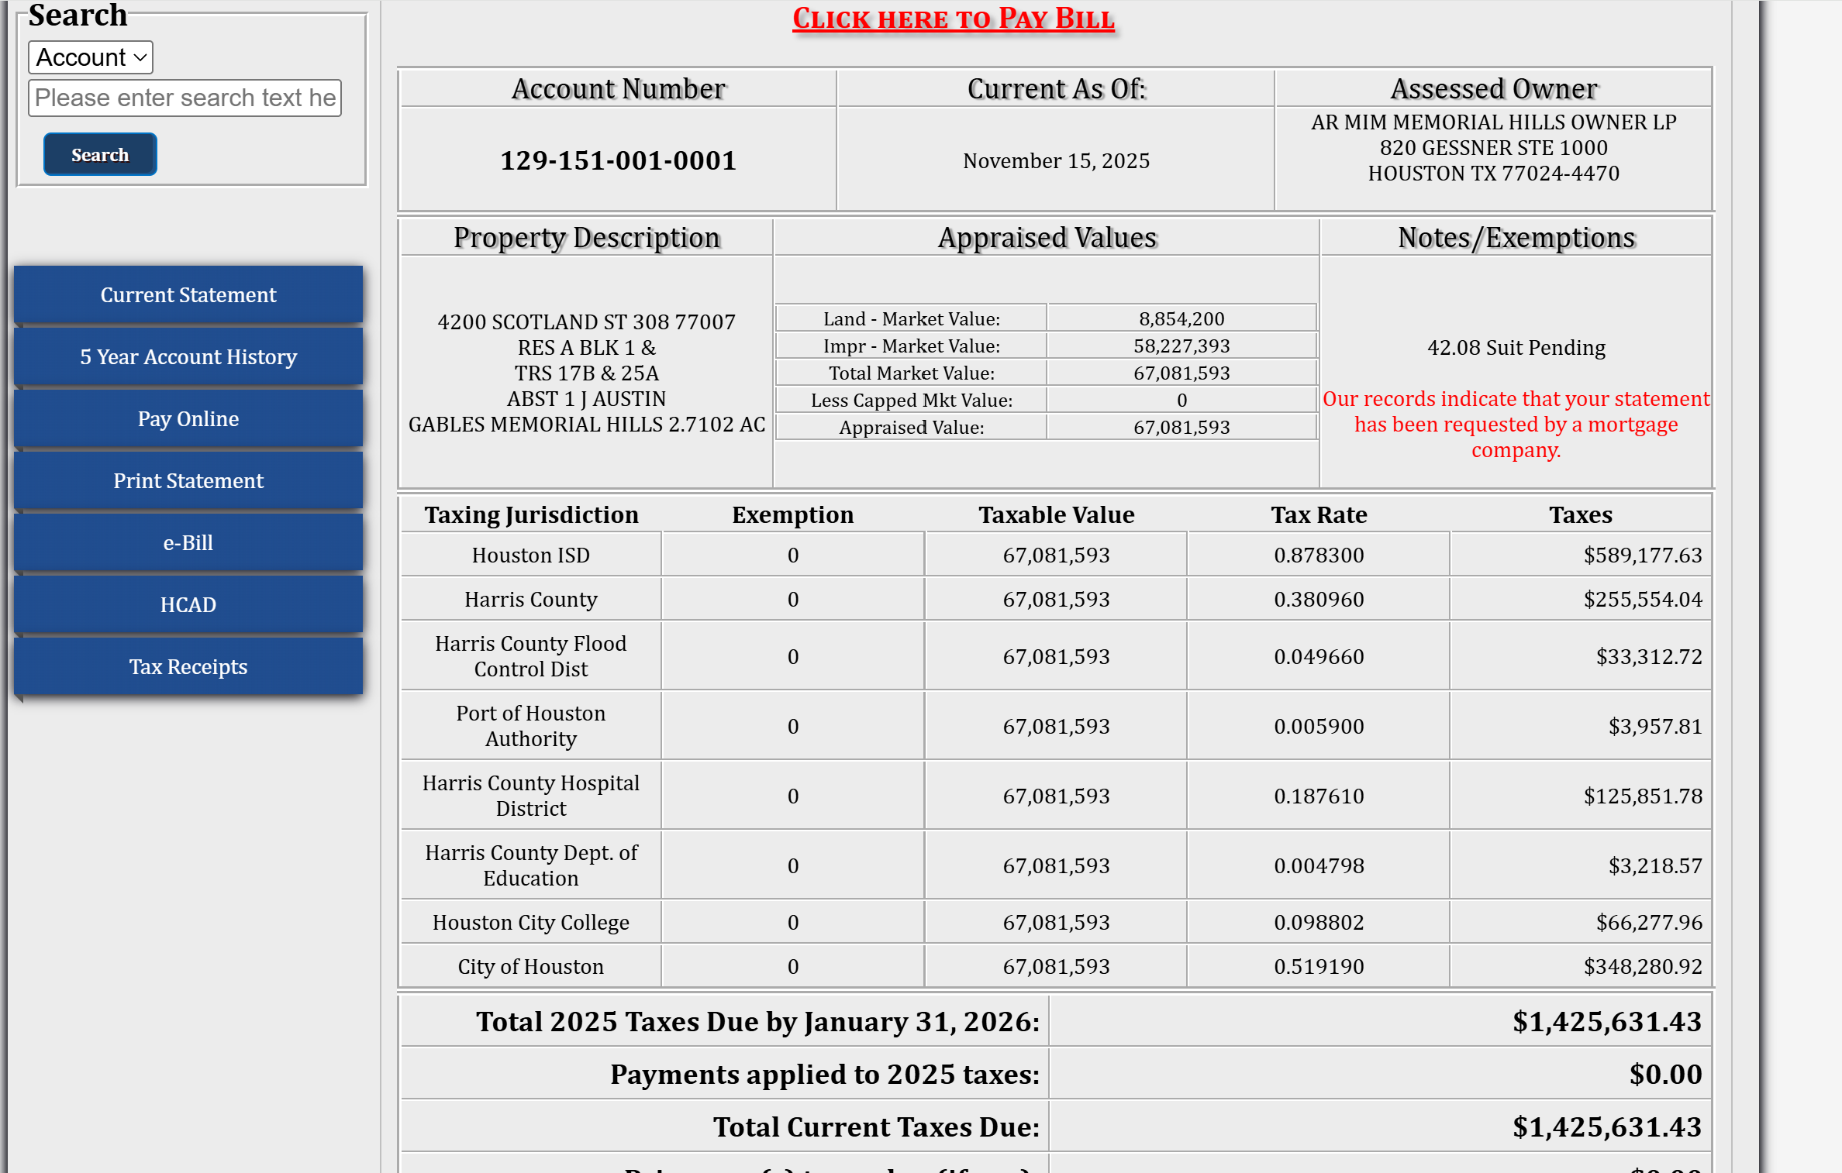
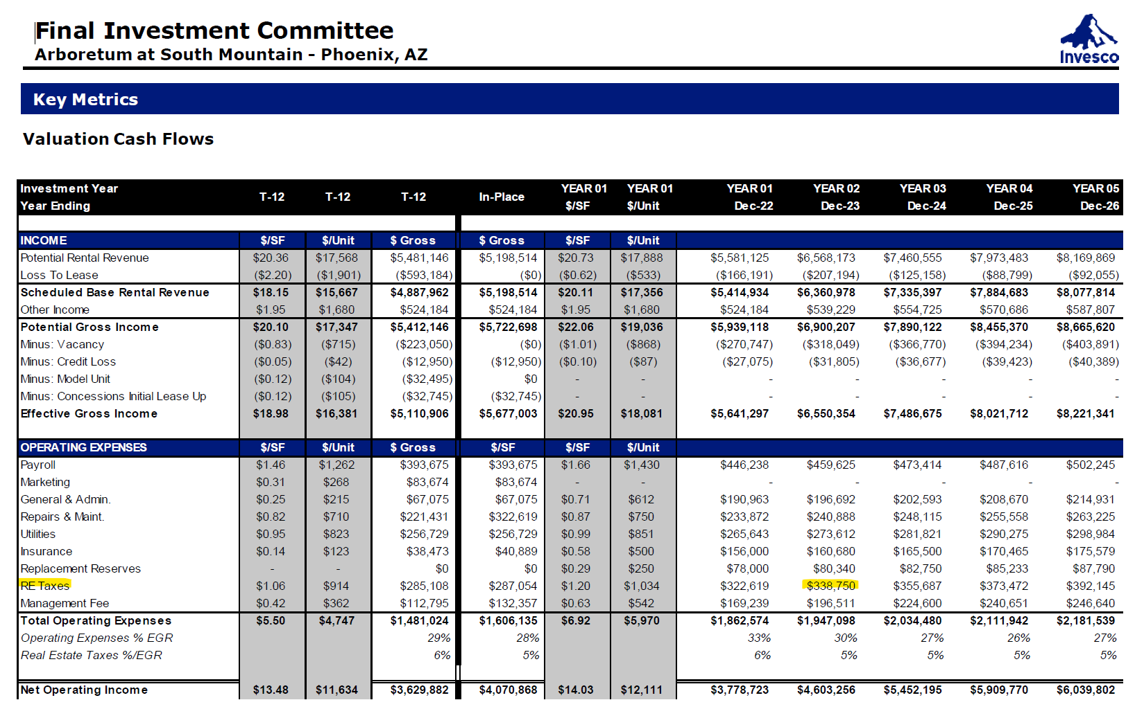
Actual RE Tax | $1,425,631.43
From | 2025-11-15
To | 2026-11-15
https://www.hctax.net/Property/TaxStatement?account=kzrFbHWYJP9hz8gVllkz7ctaKFijLb96z72yEBEhQgQ=
Parcel # | 129-151-001-0001

Insurance
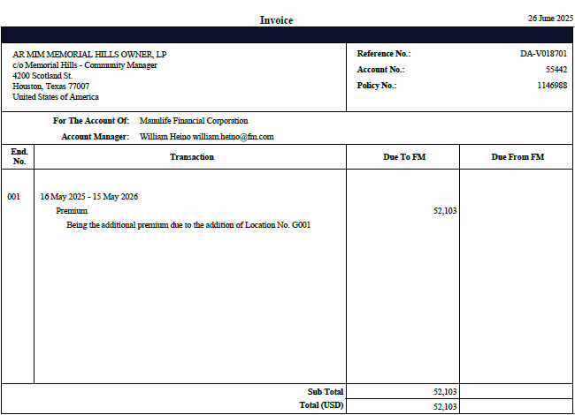
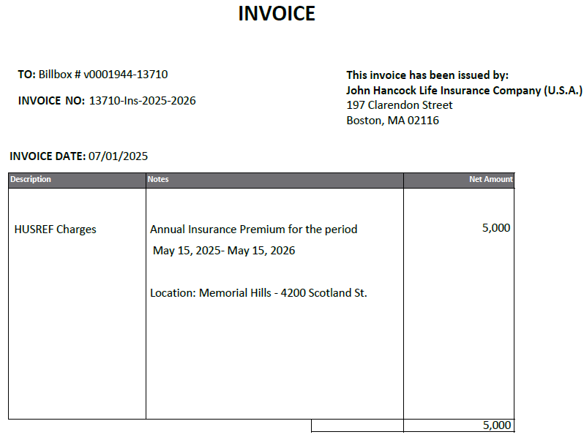
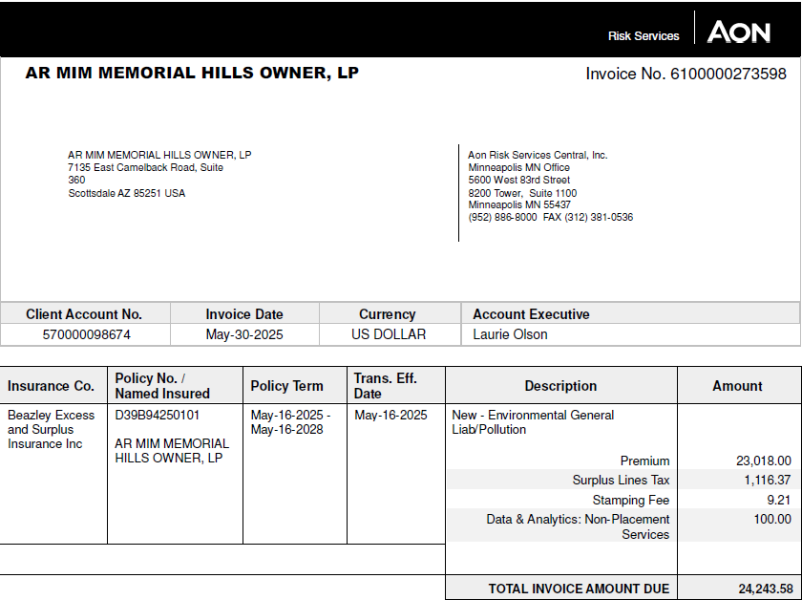
Property Insurance - Global | $52,246.00 | From | 2025-06-26
Liability Insurance - Marsh | $5,000.00 | To | 2026-06-26
Environmental Insurance - AON | $24,423.58
Insurance Premium | $81,669.58

UW Comparison
MEMORIAL HILLS
INVESTMENT YEAR | DY 1Q 2026 | U/W YEAR 1 | Change |  | Borrower | Change |  |  | Investment Year | IN PLACE | YEAR 1 | YEAR 2 | YEAR 3 | YEAR 4 | YEAR 5 | YEAR 6 | YEAR 7 | YEAR 8 | YEAR 9 | YEAR 10 | YEAR 11
YEAR ENDING | Sep-25 | May-26 |  |  | 2025 Budget |  |  |  | Year Ending | Jun-25 | May-26 | May-27 | Dec-24 | 0 | Dec-25 | Dec-26 | Dec-27 | Dec-28 | Dec-29 | Dec-30 | Dec-31
 |  |  |  |  |  |  |  |  | Memorial Hills | In-Place | Year 1 | Year 2 | Year 3 | Year 4 | Year 5 | Year 6 | Year 7 | Year 8 | Year 9 | Year 10 | Year 11 | Year | In-Place | Year 1 | Year 1 | Year 1 | Year 1 | Year 1 | Year 1 | Year 1 | Year 1 | Year 1 | Year 1 | Year 1 | Year 1 | Year 2 | Year 2 | Year 2 | Year 2 | Year 2 | Year 2 | Year 2 | Year 2 | Year 2 | Year 2 | Year 2 | Year 2 | Year 3 | Year 3 | Year 3 | Year 3 | Year 3 | Year 3 | Year 3 | Year 3 | Year 3 | Year 3 | Year 3 | Year 3 | Year 4 | Year 4 | Year 4 | Year 4 | Year 4 | Year 4 | Year 4 | Year 4 | Year 4 | Year 4 | Year 4 | Year 4 | Year 5 | Year 5 | Year 5 | Year 5 | Year 5 | Year 5 | Year 5 | Year 5 | Year 5 | Year 5 | Year 5 | Year 5 | Year 6 | Year 6 | Year 6 | Year 6 | Year 6 | Year 6 | Year 6 | Year 6 | Year 6 | Year 6 | Year 6 | Year 6 | Year 7 | Year 7 | Year 7 | Year 7 | Year 7 | Year 7 | Year 7 | Year 7 | Year 7 | Year 7 | Year 7 | Year 7 | Year 8 | Year 8 | Year 8 | Year 8 | Year 8 | Year 8 | Year 8 | Year 8 | Year 8 | Year 8 | Year 8 | Year 8 | Year 9 | Year 9 | Year 9 | Year 9 | Year 9 | Year 9 | Year 9 | Year 9 | Year 9 | Year 9 | Year 9 | Year 9 | Year 10 | Year 10 | Year 10 | Year 10 | Year 10 | Year 10 | Year 10 | Year 10 | Year 10 | Year 10 | Year 10 | Year 10 | Year 11 | Year 11 | Year 11 | Year 11 | Year 11 | Year 11 | Year 11 | Year 11 | Year 11 | Year 11 | Year 11 | Year 11
UPB | $47,626,516 |  |  |  | $47,626,516 |  |  |  | Gross Market Rent | Jun-2025 | May-2026 | May-2027 | May-2028 | May-2029 | May-2030 | May-2031 | May-2032 | May-2033 | May-2034 | May-2035 | May-2036 | Month | Jun-2025 | Month 1 | Month 2 | Month 3 | Month 4 | Month 5 | Month 6 | Month 7 | Month 8 | Month 9 | Month 10 | Month 11 | Month 12 | Month 13 | Month 14 | Month 15 | Month 16 | Month 17 | Month 18 | Month 19 | Month 20 | Month 21 | Month 22 | Month 23 | Month 24 | Month 25 | Month 26 | Month 27 | Month 28 | Month 29 | Month 30 | Month 31 | Month 32 | Month 33 | Month 34 | Month 35 | Month 36 | Month 37 | Month 38 | Month 39 | Month 40 | Month 41 | Month 42 | Month 43 | Month 44 | Month 45 | Month 46 | Month 47 | Month 48 | Month 49 | Month 50 | Month 51 | Month 52 | Month 53 | Month 54 | Month 55 | Month 56 | Month 57 | Month 58 | Month 59 | Month 60 | Month 61 | Month 62 | Month 63 | Month 64 | Month 65 | Month 66 | Month 67 | Month 68 | Month 69 | Month 70 | Month 71 | Month 72 | Month 73 | Month 74 | Month 75 | Month 76 | Month 77 | Month 78 | Month 79 | Month 80 | Month 81 | Month 82 | Month 83 | Month 84 | Month 85 | Month 86 | Month 87 | Month 88 | Month 89 | Month 90 | Month 91 | Month 92 | Month 93 | Month 94 | Month 95 | Month 96 | Month 97 | Month 98 | Month 99 | Month 100 | Month 101 | Month 102 | Month 103 | Month 104 | Month 105 | Month 106 | Month 107 | Month 108 | Month 109 | Month 110 | Month 111 | Month 112 | Month 113 | Month 114 | Month 115 | Month 116 | Month 117 | Month 118 | Month 119 | Month 120 | Month 121 | Month 122 | Month 123 | Month 124 | Month 125 | Month 126 | Month 127 | Month 128 | Month 129 | Month 130 | Month 131 | Month 132
 |  |  |  |  |  |  |  |  | Gross Market/Unit | $1,883 | $1,947 | $2,070 | $2,208 | $2,295 | $2,351 | $2,415 | $2,488 | $2,562 | $2,639 | $2,718 | $2,800 | Occupancy
Occuapancy | 90% |  |  |  | 0% |  |  |  | Gross Market/SF | $1.95 | $2.02 | $2.14 | $2.29 | $2.38 | $2.44 | $2.50 | $2.58 | $2.65 | $2.73 | $2.82 | $2.90 | Beginning of Period Occupied Unit Count |  | 290 | 293 | 293 | 283 | 273 | 273 | 273 | 273 | 273 | 273 | 273 | 273 | 273 | 273 | 273 | 273 | 273 | 273 | 273 | 273 | 273 | 273 | 273 | 273 | 273 | 273 | 273 | 273 | 273 | 273 | 273 | 273 | 273 | 275 | 285 | 293 | 293 | 293 | 293 | 293 | 293 | 293 | 293 | 293 | 293 | 293 | 293 | 293 | 293 | 293 | 293 | 293 | 293 | 293 | 293 | 293 | 293 | 293 | 293 | 293 | 293 | 293 | 293 | 293 | 293 | 293 | 293 | 293 | 293 | 293 | 293 | 293 | 293 | 293 | 293 | 293 | 293 | 293 | 293 | 293 | 293 | 293 | 293 | 293 | 293 | 293 | 293 | 293 | 293 | 293 | 293 | 293 | 293 | 293 | 293 | 293 | 293 | 293 | 293 | 293 | 293 | 293 | 293 | 293 | 293 | 293 | 293 | 293 | 293 | 293 | 293 | 293 | 293 | 293 | 293 | 293 | 293 | 293 | 293 | 293 | 293 | 293 | 293 | 293 | 293 | 293 | 293 | 293 | 293 | 293 | 293 | 293
INCOME: |  |  |  |  |  |  |  |  |  |  |  |  |  |  |  |  |  |  |  |  |  | Net Move Ins - Online Units |  | 3 | 0 | 0 | 0 | 0 | 0 | 0 | 0 | 0 | 0 | 0 | 0 | 0 | 0 | 0 | 0 | 0 | 0 | 0 | 0 | 0 | 0 | 0 | 0 | 0 | 0 | 0 | 0 | 0 | 0 | 0 | 0 | 0 | 0 | 0 | 0 | 0 | 0 | 0 | 0 | 0 | 0 | 0 | 0 | 0 | 0 | 0 | 0 | 0 | 0 | 0 | 0 | 0 | 0 | 0 | 0 | 0 | 0 | 0 | 0 | 0 | 0 | 0 | 0 | 0 | 0 | 0 | 0 | 0 | 0 | 0 | 0 | 0 | 0 | 0 | 0 | 0 | 0 | 0 | 0 | 0 | 0 | 0 | 0 | 0 | 0 | 0 | 0 | 0 | 0 | 0 | 0 | 0 | 0 | 0 | 0 | 0 | 0 | 0 | 0 | 0 | 0 | 0 | 0 | 0 | 0 | 0 | 0 | 0 | 0 | 0 | 0 | 0 | 0 | 0 | 0 | 0 | 0 | 0 | 0 | 0 | 0 | 0 | 0 | 0 | 0 | 0 | 0 | 0 | 0 | 0 | 0
Number of Mos. Covered |  |  |  |  |  |  |  |  | Memorial Hills | In-Place | Year 1 | Year 2 | Year 3 | Year 4 | Year 5 | Year 6 | Year 7 | Year 8 | Year 9 | Year 10 | Year 11 | Net Move Ins - Renovation Units |  | 0 | 0 | -10 | -10 | 0 | 0 | 0 | 0 | 0 | 0 | 0 | 0 | 0 | 0 | 0 | 0 | 0 | 0 | 0 | 0 | 0 | 0 | 0 | 0 | 0 | 0 | 0 | 0 | 0 | 0 | 0 | 0 | 2 | 10 | 8 | 0 | 0 | 0 | 0 | 0 | 0 | 0 | 0 | 0 | 0 | 0 | 0 | 0 | 0 | 0 | 0 | 0 | 0 | 0 | 0 | 0 | 0 | 0 | 0 | 0 | 0 | 0 | 0 | 0 | 0 | 0 | 0 | 0 | 0 | 0 | 0 | 0 | 0 | 0 | 0 | 0 | 0 | 0 | 0 | 0 | 0 | 0 | 0 | 0 | 0 | 0 | 0 | 0 | 0 | 0 | 0 | 0 | 0 | 0 | 0 | 0 | 0 | 0 | 0 | 0 | 0 | 0 | 0 | 0 | 0 | 0 | 0 | 0 | 0 | 0 | 0 | 0 | 0 | 0 | 0 | 0 | 0 | 0 | 0 | 0 | 0 | 0 | 0 | 0 | 0 | 0 | 0 | 0 | 0 | 0 | 0 | 0
Period Ended | DY 4Q 2025 | U/W Year 1 |  |  | Budget |  |  |  | Rent Breakdown | Jun-2025 | May-2026 | May-2027 | May-2028 | May-2029 | May-2030 | May-2031 | May-2032 | May-2033 | May-2034 | May-2035 | May-2036 | End of Period Occupied Unit Count |  | 293 | 293 | 283 | 273 | 273 | 273 | 273 | 273 | 273 | 273 | 273 | 273 | 273 | 273 | 273 | 273 | 273 | 273 | 273 | 273 | 273 | 273 | 273 | 273 | 273 | 273 | 273 | 273 | 273 | 273 | 273 | 273 | 275 | 285 | 293 | 293 | 293 | 293 | 293 | 293 | 293 | 293 | 293 | 293 | 293 | 293 | 293 | 293 | 293 | 293 | 293 | 293 | 293 | 293 | 293 | 293 | 293 | 293 | 293 | 293 | 293 | 293 | 293 | 293 | 293 | 293 | 293 | 293 | 293 | 293 | 293 | 293 | 293 | 293 | 293 | 293 | 293 | 293 | 293 | 293 | 293 | 293 | 293 | 293 | 293 | 293 | 293 | 293 | 293 | 293 | 293 | 293 | 293 | 293 | 293 | 293 | 293 | 293 | 293 | 293 | 293 | 293 | 293 | 293 | 293 | 293 | 293 | 293 | 293 | 293 | 293 | 293 | 293 | 293 | 293 | 293 | 293 | 293 | 293 | 293 | 293 | 293 | 293 | 293 | 293 | 293 | 293 | 293 | 293 | 293 | 293 | 293
Statement Ending Date | 2025-12-31 | 2026-05-31 |  |  | 2025-12-31 |  |  |  | In-Place Rent | $6,960,534 | $6,960,534 | $6,960,534 | $6,960,534 | $6,960,534 | $6,960,534 | $6,960,534 | $6,960,534 | $6,960,534 | $6,960,534 | $6,960,534 | $6,960,534 | Occupancy % |  | 94.6% | 95.1% | 93.5% | 90.3% | 88.6% | 88.6% | 88.6% | 88.6% | 88.6% | 88.6% | 88.6% | 88.6% | 88.6% | 88.6% | 88.6% | 88.6% | 88.6% | 88.6% | 88.6% | 88.6% | 88.6% | 88.6% | 88.6% | 88.6% | 88.6% | 88.6% | 88.6% | 88.6% | 88.6% | 88.6% | 88.6% | 88.6% | 89.0% | 90.9% | 93.8% | 95.1% | 95.1% | 95.1% | 95.1% | 95.1% | 95.1% | 95.1% | 95.1% | 95.1% | 95.1% | 95.1% | 95.1% | 95.1% | 95.1% | 95.1% | 95.1% | 95.1% | 95.1% | 95.1% | 95.1% | 95.1% | 95.1% | 95.1% | 95.1% | 95.1% | 95.1% | 95.1% | 95.1% | 95.1% | 95.1% | 95.1% | 95.1% | 95.1% | 95.1% | 95.1% | 95.1% | 95.1% | 95.1% | 95.1% | 95.1% | 95.1% | 95.1% | 95.1% | 95.1% | 95.1% | 95.1% | 95.1% | 95.1% | 95.1% | 95.1% | 95.1% | 95.1% | 95.1% | 95.1% | 95.1% | 95.1% | 95.1% | 95.1% | 95.1% | 95.1% | 95.1% | 95.1% | 95.1% | 95.1% | 95.1% | 95.1% | 95.1% | 95.1% | 95.1% | 95.1% | 95.1% | 95.1% | 95.1% | 95.1% | 95.1% | 95.1% | 95.1% | 95.1% | 95.1% | 95.1% | 95.1% | 95.1% | 95.1% | 95.1% | 95.1% | 95.1% | 95.1% | 95.1% | 95.1% | 95.1% | 95.1% | 95.1% | 95.1% | 95.1% | 95.1% | 95.1% | 95.1%
Gross Potential Rent (3) | ($327,351) | $7,023,253 |  |  | $0 |  |  |  | Mark-to-Market (Cumulative) |  | $87,126 | $87,126 | $87,126 | $87,126 | $87,126 | $87,126 | $87,126 | $87,126 | $87,126 | $87,126 | $87,126
Less: Vacancy Loss |  | ($684,083) |  |  | $0 |  |  |  | Reno Premiums (Cumulative) |  | $195,710 | $497,328 | $775,922 | $775,922 | $775,922 | $775,922 | $775,922 | $775,922 | $775,922 | $775,922 | $775,922
OR |  |  |  |  |  |  |  |  | Market Rent Growth (Cumulative) |  | ($48,765) | $107,144 | $336,517 | $659,839 | $867,049 | $1,102,951 | $1,370,747 | $1,646,577 | $1,930,682 | $2,223,310 | $2,524,717
Base Rent (3) |  |  |  |  |  |  |  |  | Gross Potential Rent | $6,960,534 | $7,194,605 | $7,652,133 | $8,160,099 | $8,483,421 | $8,690,631 | $8,926,533 | $9,194,329 | $9,470,159 | $9,754,264 | $10,046,892 | $10,348,298 |  |  | $1,881.39 | $1,894.12 | $1,930.69 | $1,935.03 | $1,909.91 | $1,919.60 | $1,929.29 | $1,938.99 | $1,948.69 | $1,958.40 | $1,968.11 | $1,977.83
Delinquent Rent | $0 | ($16,911) | $16,911 | -100% | ($113,103) | ($113,103) | -100% |  |  |  |  |  |  |  |  |  |  |  |  |  |  | Monthly Proforma
Parking Income | $0 | $22,176 | ($22,176) | 100% | $0 | $0 | #DIV/0! |  | Memorial Hills | In-Place | Year 1 | Year 2 | Year 3 | Year 4 | Year 5 | Year 6 | Year 7 | Year 8 | Year 9 | Year 10 | Year 11 | Year | In-Place | Month 1 | Month 2 | Month 3 | Month 4 | Month 5 | Month 6 | Month 7 | Month 8 | Month 9 | Month 10 | Month 11 | Month 12 | Month 13 | Month 14 | Month 15 | Month 16 | Month 17 | Month 18 | Month 19 | Month 20 | Month 21 | Month 22 | Month 23 | Month 24 | Month 25 | Month 26 | Month 27 | Month 28 | Month 29 | Month 30 | Month 31 | Month 32 | Month 33 | Month 34 | Month 35 | Month 36 | Month 37 | Month 38 | Month 39 | Month 40 | Month 41 | Month 42 | Month 43 | Month 44 | Month 45 | Month 46 | Month 47 | Month 48 | Month 49 | Month 50 | Month 51 | Month 52 | Month 53 | Month 54 | Month 55 | Month 56 | Month 57 | Month 58 | Month 59 | Month 60 | Month 61 | Month 62 | Month 63 | Month 64 | Month 65 | Month 66 | Month 67 | Month 68 | Month 69 | Month 70 | Month 71 | Month 72 | Month 73 | Month 74 | Month 75 | Month 76 | Month 77 | Month 78 | Month 79 | Month 80 | Month 81 | Month 82 | Month 83 | Month 84 | Month 85 | Month 86 | Month 87 | Month 88 | Month 89 | Month 90 | Month 91 | Month 92 | Month 93 | Month 94 | Month 95 | Month 96 | Month 97 | Month 98 | Month 99 | Month 100 | Month 101 | Month 102 | Month 103 | Month 104 | Month 105 | Month 106 | Month 107 | Month 108 | Month 109 | Month 110 | Month 111 | Month 112 | Month 113 | Month 114 | Month 115 | Month 116 | Month 117 | Month 118 | Month 119 | Month 120 | Month 121 | Month 122 | Month 123 | Month 124 | Month 125 | Month 126 | Month 127 | Month 128 | Month 129 | Month 130 | Month 131 | Month 132
Other Income | $0 | $364,146 | ($364,146) | -100% | $268,442 | $268,442 | #DIV/0! |  | Operating Proforma | Jun-2025 | May-2026 | May-2027 | May-2028 | May-2029 | May-2030 | May-2031 | May-2032 | May-2033 | May-2034 | May-2035 | May-2036 | Month | Jun-2025 | 2025-06-30 | 2025-07-31 | 2025-08-31 | 2025-09-30 | 2025-10-31 | 2025-11-30 | 2025-12-31 | 2026-01-31 | 2026-02-28 | 2026-03-31 | 2026-04-30 | 2026-05-31 | 2026-06-30 | 2026-07-31 | 2026-08-31 | 2026-09-30 | 2026-10-31 | 2026-11-30 | 2026-12-31 | 2027-01-31 | 2027-02-28 | 2027-03-31 | 2027-04-30 | 2027-05-31 | 2027-06-30 | 2027-07-31 | 2027-08-31 | 2027-09-30 | 2027-10-31 | 2027-11-30 | 2027-12-31 | 2028-01-31 | 2028-02-29 | 2028-03-31 | 2028-04-30 | 2028-05-31 | 2028-06-30 | 2028-07-31 | 2028-08-31 | 2028-09-30 | 2028-10-31 | 2028-11-30 | 2028-12-31 | 2029-01-31 | 2029-02-28 | 2029-03-31 | 2029-04-30 | 2029-05-31 | 2029-06-30 | 2029-07-31 | 2029-08-31 | 2029-09-30 | 2029-10-31 | 2029-11-30 | 2029-12-31 | 2030-01-31 | 2030-02-28 | 2030-03-31 | 2030-04-30 | 2030-05-31 | 2030-06-30 | 2030-07-31 | 2030-08-31 | 2030-09-30 | 2030-10-31 | 2030-11-30 | 2030-12-31 | 2031-01-31 | 2031-02-28 | 2031-03-31 | 2031-04-30 | 2031-05-31 | 2031-06-30 | 2031-07-31 | 2031-08-31 | 2031-09-30 | 2031-10-31 | 2031-11-30 | 2031-12-31 | 2032-01-31 | 2032-02-29 | 2032-03-31 | 2032-04-30 | 2032-05-31 | 2032-06-30 | 2032-07-31 | 2032-08-31 | 2032-09-30 | 2032-10-31 | 2032-11-30 | 2032-12-31 | 2033-01-31 | 2033-02-28 | 2033-03-31 | 2033-04-30 | 2033-05-31 | 2033-06-30 | 2033-07-31 | 2033-08-31 | 2033-09-30 | 2033-10-31 | 2033-11-30 | 2033-12-31 | 2034-01-31 | 2034-02-28 | 2034-03-31 | 2034-04-30 | 2034-05-31 | 2034-06-30 | 2034-07-31 | 2034-08-31 | 2034-09-30 | 2034-10-31 | 2034-11-30 | 2034-12-31 | 2035-01-31 | 2035-02-28 | 2035-03-31 | 2035-04-30 | 2035-05-31 | 2035-06-30 | 2035-07-31 | 2035-08-31 | 2035-09-30 | 2035-10-31 | 2035-11-30 | 2035-12-31 | 2036-01-31 | 2036-02-29 | 2036-03-31 | 2036-04-30 | 2036-05-31
 |  |  |  |  |  |  |  |  | Revenues |  |  |  |  |  |  |  |  |  |  |  |  | Revenues
*Effective Gross Income | #REF! | $6,708,581 | #REF! | #REF! | $155,339 | #REF! | #REF! | Gross Potential Rent (3) | Gross Potential Rent | $7,047,660 | $7,194,605 | $7,652,133 | $8,160,099 | $8,483,421 | $8,690,631 | $8,926,533 | $9,194,329 | $9,470,159 | $9,754,264 | $10,046,892 | $10,348,298 | Gross Potential Rent | $7,047,660 | $588,242 | $589,181 | $590,122 | $591,064 | $594,046 | $597,030 | $600,015 | $603,002 | $605,990 | $608,979 | $611,971 | $614,963 | $618,446 | $621,932 | $625,422 | $628,914 | $632,410 | $635,908 | $639,410 | $642,915 | $646,423 | $649,935 | $653,450 | $656,967 | $660,539 | $664,114 | $667,693 | $671,274 | $674,858 | $678,446 | $682,036 | $685,630 | $689,227 | $692,827 | $696,000 | $697,456 | $698,906 | $700,359 | $701,815 | $703,273 | $704,735 | $706,200 | $707,668 | $709,139 | $710,613 | $712,090 | $713,570 | $715,053 | $716,453 | $717,856 | $719,262 | $720,670 | $722,081 | $723,495 | $724,911 | $726,331 | $727,753 | $729,178 | $730,605 | $732,036 | $733,841 | $735,651 | $737,465 | $739,284 | $741,108 | $742,935 | $744,768 | $746,604 | $748,446 | $750,292 | $752,142 | $753,997 | $755,857 | $757,721 | $759,589 | $761,463 | $763,341 | $765,223 | $767,111 | $769,002 | $770,899 | $772,800 | $774,706 | $776,617 | $778,532 | $780,452 | $782,377 | $784,307 | $786,241 | $788,180 | $790,124 | $792,073 | $794,026 | $795,984 | $797,947 | $799,915 | $801,888 | $803,866 | $805,848 | $807,836 | $809,828 | $811,825 | $813,828 | $815,835 | $817,847 | $819,864 | $821,886 | $823,913 | $825,945 | $827,982 | $830,024 | $832,071 | $834,123 | $836,180 | $838,242 | $840,310 | $842,382 | $844,460 | $846,542 | $848,630 | $850,723 | $852,821 | $854,925 | $857,033 | $859,147 | $861,266 | $863,390 | $865,519 | $867,654 | $869,794 | $871,939 | $874,089
 |  |  |  |  |  |  |  | Gross Potential Rent (3) | Loss to Lease | ($87,126) | ($69,515) | ($104,954) | ($107,271) | ($107,020) | ($103,201) | ($133,898) | ($137,915) | ($142,052) | ($146,314) | ($150,703) | ($155,224) | Loss to Lease | ($87,126) | ($5,793) | ($5,793) | ($5,793) | ($5,793) | ($5,793) | ($5,793) | ($5,793) | ($5,793) | ($5,793) | ($5,793) | ($5,793) | ($5,793) | ($8,746) | ($8,746) | ($8,746) | ($8,746) | ($8,746) | ($8,746) | ($8,746) | ($8,746) | ($8,746) | ($8,746) | ($8,746) | ($8,746) | ($8,939) | ($8,939) | ($8,939) | ($8,939) | ($8,939) | ($8,939) | ($8,939) | ($8,939) | ($8,939) | ($8,939) | ($8,939) | ($8,939) | ($8,918) | ($8,918) | ($8,918) | ($8,918) | ($8,918) | ($8,918) | ($8,918) | ($8,918) | ($8,918) | ($8,918) | ($8,918) | ($8,918) | ($8,600) | ($8,600) | ($8,600) | ($8,600) | ($8,600) | ($8,600) | ($8,600) | ($8,600) | ($8,600) | ($8,600) | ($8,600) | ($8,600) | ($11,158) | ($11,158) | ($11,158) | ($11,158) | ($11,158) | ($11,158) | ($11,158) | ($11,158) | ($11,158) | ($11,158) | ($11,158) | ($11,158) | ($11,493) | ($11,493) | ($11,493) | ($11,493) | ($11,493) | ($11,493) | ($11,493) | ($11,493) | ($11,493) | ($11,493) | ($11,493) | ($11,493) | ($11,838) | ($11,838) | ($11,838) | ($11,838) | ($11,838) | ($11,838) | ($11,838) | ($11,838) | ($11,838) | ($11,838) | ($11,838) | ($11,838) | ($12,193) | ($12,193) | ($12,193) | ($12,193) | ($12,193) | ($12,193) | ($12,193) | ($12,193) | ($12,193) | ($12,193) | ($12,193) | ($12,193) | ($12,559) | ($12,559) | ($12,559) | ($12,559) | ($12,559) | ($12,559) | ($12,559) | ($12,559) | ($12,559) | ($12,559) | ($12,559) | ($12,559) | ($12,935) | ($12,935) | ($12,935) | ($12,935) | ($12,935) | ($12,935) | ($12,935) | ($12,935) | ($12,935) | ($12,935) | ($12,935) | ($12,935)
 |  |  |  |  |  |  |  |  | Net Effective Rent (NER) | $6,960,534 | $7,125,090 | $7,547,179 | $8,052,828 | $8,376,401 | $8,587,430 | $8,792,635 | $9,056,414 | $9,328,107 | $9,607,950 | $9,896,188 | $10,193,074 | Net Effective Rent (NER) | $6,960,534 | $582,450 | $583,389 | $584,329 | $585,271 | $588,253 | $591,237 | $594,222 | $597,209 | $600,197 | $603,186 | $606,178 | $609,170 | $609,700 | $613,186 | $616,675 | $620,168 | $623,663 | $627,162 | $630,664 | $634,169 | $637,677 | $641,189 | $644,703 | $648,221 | $651,600 | $655,175 | $658,753 | $662,335 | $665,919 | $669,506 | $673,097 | $676,691 | $680,287 | $683,887 | $687,060 | $688,517 | $689,988 | $691,440 | $692,896 | $694,355 | $695,817 | $697,282 | $698,750 | $700,221 | $701,695 | $703,172 | $704,652 | $706,135 | $707,853 | $709,256 | $710,662 | $712,070 | $713,481 | $714,895 | $716,311 | $717,731 | $719,153 | $720,578 | $722,005 | $723,436 | $722,683 | $724,493 | $726,307 | $728,126 | $729,949 | $731,777 | $733,609 | $735,446 | $737,288 | $739,133 | $740,984 | $742,839 | $744,364 | $746,228 | $748,097 | $749,970 | $751,848 | $753,730 | $755,618 | $757,510 | $759,406 | $761,307 | $763,213 | $765,124 | $766,695 | $768,615 | $770,539 | $772,469 | $774,403 | $776,342 | $778,286 | $780,235 | $782,188 | $784,147 | $786,110 | $788,078 | $789,695 | $791,673 | $793,656 | $795,643 | $797,635 | $799,633 | $801,635 | $803,642 | $805,654 | $807,671 | $809,693 | $811,720 | $813,386 | $815,423 | $817,465 | $819,512 | $821,564 | $823,622 | $825,684 | $827,751 | $829,824 | $831,901 | $833,984 | $836,072 | $837,788 | $839,886 | $841,989 | $844,098 | $846,211 | $848,330 | $850,454 | $852,584 | $854,718 | $856,858 | $859,003 | $861,154
OPERATING EXPENSES: |  |  |  |  |  |  |  | Less: Vacancy Loss | General Vacancy | ($406,784) | ($698,843) | ($857,634) | ($816,942) | ($407,942) | ($418,219) | ($428,213) | ($441,059) | ($454,291) | ($467,920) | ($481,957) | ($496,416) | General Vacancy | ($406,784) | ($31,203) | ($28,412) | ($37,943) | ($57,007) | ($66,847) | ($67,186) | ($67,525) | ($67,865) | ($68,204) | ($68,544) | ($68,884) | ($69,224) | ($69,284) | ($69,680) | ($70,077) | ($70,474) | ($70,871) | ($71,268) | ($71,666) | ($72,065) | ($72,463) | ($72,862) | ($73,262) | ($73,662) | ($74,045) | ($74,452) | ($74,858) | ($75,265) | ($75,673) | ($76,080) | ($76,488) | ($76,897) | ($75,097) | ($62,172) | ($42,384) | ($33,532) | ($33,603) | ($33,674) | ($33,745) | ($33,816) | ($33,887) | ($33,959) | ($34,030) | ($34,102) | ($34,173) | ($34,245) | ($34,317) | ($34,390) | ($34,473) | ($34,542) | ($34,610) | ($34,679) | ($34,747) | ($34,816) | ($34,885) | ($34,954) | ($35,024) | ($35,093) | ($35,163) | ($35,232) | ($35,196) | ($35,284) | ($35,372) | ($35,461) | ($35,549) | ($35,638) | ($35,728) | ($35,817) | ($35,907) | ($35,997) | ($36,087) | ($36,177) | ($36,251) | ($36,342) | ($36,433) | ($36,525) | ($36,616) | ($36,708) | ($36,800) | ($36,892) | ($36,984) | ($37,077) | ($37,169) | ($37,263) | ($37,339) | ($37,433) | ($37,526) | ($37,620) | ($37,714) | ($37,809) | ($37,904) | ($37,998) | ($38,094) | ($38,189) | ($38,285) | ($38,380) | ($38,459) | ($38,556) | ($38,652) | ($38,749) | ($38,846) | ($38,943) | ($39,041) | ($39,138) | ($39,236) | ($39,335) | ($39,433) | ($39,532) | ($39,613) | ($39,712) | ($39,812) | ($39,911) | ($40,011) | ($40,111) | ($40,212) | ($40,313) | ($40,413) | ($40,515) | ($40,616) | ($40,718) | ($40,801) | ($40,904) | ($41,006) | ($41,109) | ($41,212) | ($41,315) | ($41,418) | ($41,522) | ($41,626) | ($41,730) | ($41,835) | ($41,939)
Real Estate Taxes | $1,425,631 | $1,483,748 | ($58,117) | -4% | $302,703 | ($1,122,929) | -79% | Delinquent Rent | Credit Loss | ($25,479) | ($16,911) | ($17,604) | ($19,042) | ($20,970) | ($21,498) | ($22,012) | ($22,672) | ($23,352) | ($24,053) | ($24,774) | ($25,518) | Credit Loss | ($25,479) | ($1,409) | ($1,409) | ($1,409) | ($1,409) | ($1,409) | ($1,409) | ($1,409) | ($1,409) | ($1,409) | ($1,409) | ($1,409) | ($1,409) | ($1,467) | ($1,467) | ($1,467) | ($1,467) | ($1,467) | ($1,467) | ($1,467) | ($1,467) | ($1,467) | ($1,467) | ($1,467) | ($1,467) | ($1,587) | ($1,587) | ($1,587) | ($1,587) | ($1,587) | ($1,587) | ($1,587) | ($1,587) | ($1,587) | ($1,587) | ($1,587) | ($1,587) | ($1,747) | ($1,747) | ($1,747) | ($1,747) | ($1,747) | ($1,747) | ($1,747) | ($1,747) | ($1,747) | ($1,747) | ($1,747) | ($1,747) | ($1,791) | ($1,791) | ($1,791) | ($1,791) | ($1,791) | ($1,791) | ($1,791) | ($1,791) | ($1,791) | ($1,791) | ($1,791) | ($1,791) | ($1,834) | ($1,834) | ($1,834) | ($1,834) | ($1,834) | ($1,834) | ($1,834) | ($1,834) | ($1,834) | ($1,834) | ($1,834) | ($1,834) | ($1,889) | ($1,889) | ($1,889) | ($1,889) | ($1,889) | ($1,889) | ($1,889) | ($1,889) | ($1,889) | ($1,889) | ($1,889) | ($1,889) | ($1,946) | ($1,946) | ($1,946) | ($1,946) | ($1,946) | ($1,946) | ($1,946) | ($1,946) | ($1,946) | ($1,946) | ($1,946) | ($1,946) | ($2,004) | ($2,004) | ($2,004) | ($2,004) | ($2,004) | ($2,004) | ($2,004) | ($2,004) | ($2,004) | ($2,004) | ($2,004) | ($2,004) | ($2,065) | ($2,065) | ($2,065) | ($2,065) | ($2,065) | ($2,065) | ($2,065) | ($2,065) | ($2,065) | ($2,065) | ($2,065) | ($2,065) | ($2,126) | ($2,126) | ($2,126) | ($2,126) | ($2,126) | ($2,126) | ($2,126) | ($2,126) | ($2,126) | ($2,126) | ($2,126) | ($2,126)
...
MEMORIAL HILLS
*DSCR: (Including Rate Cap) - A Note | 1.04x |  |  |  | -0.70x |  |  | Repairs and Maintenance | Contract Services | $193,416 | $177,100 | $185,955 | $191,534
 |  |  |  |  |  |  |  | Advertising & Marketing | Marketing | $265,543 | $261,800 | $154,000 | $158,620
*Debt Yield (NCF/Debt Balance) | #REF! |  |  |  | -4.2% |  |  | General and Administrative | General & Administrative | $122,141 | $123,200 | $129,360 | $133,241
 |  |  |  |  |  |  |  | Repairs and Maintenance | Landscaping/Grounds | $0 | - | - | -
 |  |  |  |  |  |  |  | Other Expenses | Package Concierge/Locker Expense | $59,939 | - | - | -
 |  |  |  |  |  |  |  | Capital Expenditures | Replacement Reserves | $61,600 | $61,600 | $61,600 | $61,600
 |  |  |  |  |  |  |  | Real Estate Taxes | Franchise Taxes | $23,501 | $22,493 | $23,665 | $25,981
 |  |  |  |  |  |  |  | Real Estate Taxes | Property Taxes | $1,461,543 | $1,461,543 | $1,505,718 | $1,551,228
 |  |  |  |  |  |  |  | Real Estate Taxes | Tax Abatement | $0 | $0 | $0 | $0
 |  |  |  |  |  |  |  | Management Fees | Management Fee | $177,498 | $169,885 | $178,737 | $196,232
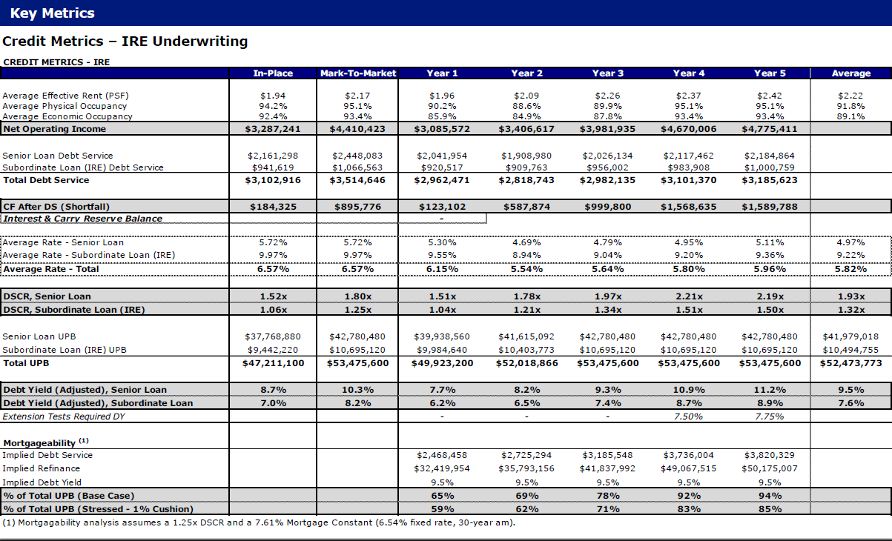
 |  |  |  |  |  |  |  | Property Insurance | Insurance | $215,600 | $215,600 | $226,380 | $233,171
 |  |  |  |  |  |  |  | *Total Operating Expenses | Total Operating Expenses | $3,812,695 | $3,709,820 | $3,742,844 | $3,867,361
 |  |  |  |  |  |  |  |  | Per Unit | $12,379 | $12,045 | $12,152 | $12,556
 |  |  |  |  |  |  |  |  | PSF | $12.82 | $12.47 | $12.59 | $13.00
 |  |  |  |  |  |  |  | Operating Expense Ratio | % of EGI | 54% | 55% | 52% | 49%

 |  |  |  |  |  |  |  |  | Net Operating Income (Residential) | $3,287,241 | $3,085,572 | $3,406,617 | $3,981,935

 |  |  |  |  |  |  |  |  | Retail Income + NNN Reimbursements | $0 | - | - | -
 |  |  |  |  |  |  |  |  | Retail Economic Vacancy | $0 | - | - | -
 |  |  |  |  |  |  |  |  | Retail Expense | $0 | - | - | -
 |  |  |  |  |  |  |  |  | Net Operating Income (Retail) | $0 | - | - | -

 |  |  |  |  |  |  |  | *Net Operating Income | Net Operating Income (Total) | $3,287,241 | $3,085,572 | $3,406,617 | $3,981,935
 |  |  |  |  |  |  |  |  | Annual NOI Growth | n/a | -6.1% | 10.4% | 16.9%

 |  |  |  |  |  |  |  |  | Effective Rents | $1.94 | $1.96 | $2.09 | $2.26

 |  |  |  |  |  |  |  |  | NPV of Remaining Tax Abatement | - | - | - | -

 |  |  |  |  |  |  |  |  | Debt Service (Including Rate Cap) |  | $2,468,458 | $2,725,294 | $3,185,548

 |  |  |  |  |  |  |  |  | Debt Service (Excluding Rate Cap) | $3,102,916 | $2,962,471 | $2,818,743 | $2,982,135

 |  |  |  |  |  |  |  |  | Weights | 100% | 0%

 |  |  |  |  |  |  |  |  |  | 6.9%

